Sheet1
Climate Agreement | Climate Agreement |  | CO2 LC+direct |  | CO2 direct |  |  |  | CO2 LC |  |  |  |  |  |  | Costs |  |  |  |  |  |  |  | Storage costs |  |  |  | Production |  |  |  |  |  |  |  |  |  |  |  |  | Demand |  |  |  |  |  | Mismatches |  |  |  |  | Costs |  | Production |  |  | CO2 Direct + LC |  | CO2 Direct |  | CO2 LC |  |  |  |  | 10845.728973 |  |  | hoursHydrogenPowerSup | 1084.5728973 | CAPEX H2 |  |  |  |  | 10
Year | Renewable | Non-renewable | Coal LC+direct | Gas LC+direct | Coal direct | Gas direct | Gasboilers direct | Transport direct | Goal LC | Gas LC | Solar roof LC | Solar field LC | Nuclear LC | Wind onshore LC | Wind offshore LC | GasCosts | CoalCosts | NuclearCosts | SolarRoofCosts | SolarFieldCosts | WindOnshoreCosts | WindOffshoreCosts | ImportCosts | Battery LiIon | Electrolyzer | FuelCell | HydrogenStorageCostsTotal (Including salt cavern | GasElProduction | CoalElProduction | NuclearElProduction | SolarRoofElProduction | SolarFieldElProduction | WindOnshoreElProduction | WindOffshoreElProduction | Import | Export | importMinusExport | Battery storage | HydrogenStored | MaxHydrogenStored | AgricultureElDemand | BuiltEnvironmentElDemand | IndustryElDemand | OthersElDemand | TransportElDemand | HeatPumpElDemand | Max Absolute mismatch before storage | Mismatch before non-renewables | Mismatch after | MM max before hydro | MM max after hydro | Non-renewable | Renewable | Non-renewable | Renewable | Percentage renewable | Electricity sector | Electricity sector + Transport and Gasboilers | Electricity | Electricity sector + Transport and Gasboilers | Electricity | Direct CO2 reductions | Direct CO2 reduction percentages | 50% mismatch storage | 50% for batteries | InstalCapBatteries | 50% for electrolyzer | 50% for fuel cell | 10 | HydrogenInstalCap | InstalCapSpeedHydrogen | HydrogenCosts |  |  |  |  | 2019 | 2030 | USD/MWh | 1.12
2019 | 0.32979265897 | 120.52340778 | 44.907408 | 58.015460059 | 20.193264 | 24.173108358 | 2.1187709794 | 15.430925226 | 24.714144 | 33.842351701 | 0.16162109602 | 0.026460396054 | 0.05084352 | 0.096614686895 | 0.045096479997 | 4871621327.3 | 2098980000 | 374517000 | 299167969.55 | 41836563.701 | 470526072.54 | 436201071.4 | 2944879.1739 | 0 | 0 | 0 | 0 | 69066023.88 | 30139400 | 4236960 | 3941977.9517 | 551258.25112 | 8783153.3541 | 3758039.9998 | 65441.759419 | 0 | 65441.759419 | 1 | 0 | 0 | 5977895.3254 | 56281903.432 | 28999549.967 | 26494075.549 | 1760631.2837 | 1025116.7697 | 22680.585146 | -103507625.64 | -65441.759419 | 0 | 0 | 7.3451183273 | 1.2477316772 | 103442383.88 | 17034429.557 | 14% | 103.30350424 | 120.85320044 | 44.366372358 | 61.916068563 | 58.93713188 | 0 | 0% | 0 | 0 | 0 | 0 | 0 | 0 | 0 |  |  | 0 | 0.1 | 0.05 | Electrolyzer | 0.5 | 0.4 |  | 0.92
2020 | 0.40295205118 | 116.60641261 | 39.264463238 | 59.8671417 | 17.655832463 | 24.944642375 | 2.0374175551 | 15.386267237 | 21.608630775 | 34.922499325 | 0.21057446459 | 0.034417585881 | 0.05112288 | 0.11286345824 | 0.045096542461 | 5027109050 | 1835227787.9 | 376574785.71 | 369639061.83 | 47087016.893 | 527818696.7 | 410017882.36 | 11917471.653 | 0 | 0 | 0 | 0 | 71270406.785 | 26351988.75 | 4260240 | 5135962.5509 | 717033.03918 | 10260314.386 | 3758045.2051 | 264832.7034 | 0 | 264832.7034 | 0 | 0 | 0 | 6004872.5259 | 56681612.635 | 29131897.326 | 26639647.393 | 2320316.1764 | 1235879.9658 | 23025.28544 | -102147468.24 | -264832.7034 | 0 | 0 | 7.2389116237 | 1.3545626578 | 101882635.54 | 19871355.181 | 16% | 99.585679868 | 117.00936466 | 42.600474837 | 60.024159629 | 56.985205031 | 1.7658975207 | 4% | 0 | 0 | 0 | 0 | 0 | 0 | 0 |  |  | 1 | 0.08 | 0.04 | Fuel cell
2021 | 0.5450138214 | 109.5467001 | 38.990776313 | 53.439082316 | 17.532765188 | 22.266284298 | 1.9074148279 | 15.158443447 | 21.458011125 | 31.172798018 | 0.25938969599 | 0.042355744884 | 0.0509832 | 0.13024482636 | 0.11302355417 | 4487337907.1 | 1822435613.8 | 375545892.86 | 431797359.46 | 50141139.965 | 584901549.44 | 965926278.13 | 6052728.5897 | 0 | 0 | 0 | 0 | 63617955.138 | 26168306.25 | 4248600 | 6326577.9509 | 882411.35176 | 11840438.76 | 9418629.5143 | 134733.22364 | 228.1438656 | 134505.07977 | 0 | 0 | 0 | 5987167.4691 | 56474638.67 | 29070575.485 | 26566861.471 | 3060320.9525 | 1453139.0605 | 23311.994707 | -94169366.468 | -134505.07977 | 0 | 0 | 6.6853194138 | 2.032766327 | 94034861.388 | 28468057.577 | 23% | 93.02585565 | 110.09171392 | 39.799049486 | 56.86490776 | 53.226806164 | 4.5673228722 | 10% | 0 | 0 | 0 | 0 | 0 | 0 | 0 |  |  | 2 | 0.064 | 0.032 | Lion Battery | 0.19 | 0.077
2022 | 0.6436005303 | 105.06328177 | 38.299110863 | 50.040936581 | 17.221747838 | 20.850390242 | 1.7770379596 | 14.895213167 | 21.077363025 | 29.190546339 | 0.29697826009 | 0.048467344362 | 0.0509832 | 0.14572354364 | 0.15243138221 | 4201991911.1 | 1790107051.3 | 375545892.86 | 468820969.28 | 49646908.586 | 628409712.16 | 1224517165.8 | 6234602.9824 | 0 | 0 | 0 | 0 | 59572543.549 | 25704101.25 | 4248600 | 7243372.1974 | 1009736.3409 | 13247594.876 | 12702615.184 | 161699.03583 | 23152.302889 | 138546.73294 | 0 | 0 | 0 | 5987512.6964 | 56469178.571 | 29068779.39 | 26566861.471 | 4059119.1718 | 1700440.4074 | 23030.569551 | -89663791.532 | -138546.73294 | 0 | 0 | 6.3676448553 | 2.3713947558 | 89525244.799 | 34203318.599 | 28% | 89.034631174 | 105.7068823 | 38.07213808 | 54.744389207 | 50.962493094 | 6.2942342783 | 14% | 0 | 0 | 0 | 0 | 0 | 0 | 0 |  |  | 3 | 0.0512 | 0.0256
2023 | 0.74044597165 | 100.48211258 | 36.7284255 | 47.536632116 | 16.5154665 | 19.806930048 | 1.6365514762 | 14.529520291 | 20.212959 | 27.729702068 | 0.3345668242 | 0.054578943839 | 0.0509832 | 0.16205159361 | 0.18924861001 | 3991702739.3 | 1716692946.4 | 375545892.86 | 500864616.02 | 48375918.174 | 671053807.96 | 1429021151.7 | 5921241.0269 | 0 | 0 | 0 | 0 | 56591228.71 | 24649950 | 4248600 | 8160166.4439 | 1137061.33 | 14731963.055 | 15770717.501 | 302085.603 | 170502.46907 | 131583.13393 | 0 | 0 | 0 | 5991401.9537 | 56482177.839 | 29060670.95 | 26566861.471 | 5334378.2791 | 1968283.024 | 24133.224777 | -85621361.843 | -131583.13393 | 0 | 0 | 6.0839415786 | 2.6493154938 | 85489778.71 | 39799908.33 | 32% | 85.056486788 | 101.22255856 | 36.322396548 | 52.488468316 | 48.734090239 | 8.0439758098 | 18% | 0 | 0 | 0 | 0 | 0 | 0 | 0 |  |  | 4 | 0.04096 | 0.02048
2024 | 0.83941929762 | 96.321887432 | 34.766978325 | 45.93378351 | 15.633473475 | 19.139076462 | 1.4973812023 | 14.072621515 | 19.13350485 | 26.794707047 | 0.37224264395 | 0.060703995045 | 0.05112288 | 0.17922909148 | 0.22724356714 | 3857109797.3 | 1625014567 | 376574785.71 | 528468018.25 | 46556730.555 | 712694514.92 | 1612920736.3 | -3622092.5494 | 0 | 0 | 0 | 0 | 54683075.607 | 23333542.5 | 4260240 | 9079088.8769 | 1264666.5634 | 16293553.771 | 18936963.928 | 566904.01227 | 647394.95781 | -80490.945543 | 0 | 0 | 0 | 6004960.5697 | 56668542.585 | 29134577.079 | 26639647.393 | 7038752.5843 | 2266771.8686 | 25207.409518 | -82196367.161 | 80490.945543 | 0 | 0 | 5.8586991499 | 2.9006400001 | 82276858.107 | 45574273.14 | 36% | 81.591304012 | 97.161306729 | 34.772549937 | 50.342552655 | 46.818754075 | 9.5938224207 | 22% | 0 | 0 | 0 | 0 | 0 | 0 | 0 |  |  | 5 | 0.032768 | 0.016384
2025 | 0.93618139493 | 92.12164631 | 32.758300013 | 44.590501926 | 14.730242288 | 18.579375802 | 1.3370766281 | 13.384784544 | 18.028057725 | 26.011126123 | 0.40974395242 | 0.066802142794 | 0.0509832 | 0.19725686344 | 0.26237843628 | 3744312980.6 | 1531128596 | 375545892.86 | 551645710.91 | 44331936.356 | 753213179.03 | 1750511771.8 | -27624738.332 | 0 | 0 | 0 | 0 | 53083930.864 | 21985436.25 | 4248600 | 9993754.937 | 1391711.3082 | 17932442.131 | 21864869.69 | 1006630.3849 | 1620513.4589 | -613883.07404 | 0 | 0 | 0 | 5987138.9597 | 56473764.422 | 29070594.96 | 26566861.471 | 9220005.6334 | 2545429.0333 | 26462.290481 | -78704084.04 | 613883.07404 | 0 | 0 | 5.6509874694 | 3.0997025981 | 79317967.114 | 51182778.066 | 39% | 78.335966533 | 93.057827705 | 33.30961809 | 48.031479262 | 45.026348443 | 11.056754268 | 25% | 0 | 0 | 0 | 0 | 0 | 0 | 0 |  |  | 6 | 0.0262144 | 0.0131072
2026 | 1.104943168 | 87.401727816 | 29.105226037 | 44.491691876 | 13.087584862 | 18.538204948 | 1.1854126434 | 12.568414058 | 16.017641175 | 25.953486928 | 0.51574428291 | 0.084036957998 | 0.0509832 | 0.22045585748 | 0.28470606966 | 3736015793.2 | 1360383287.9 | 375545892.86 | 658471865.82 | 48256713.137 | 808347880.03 | 1785455748.7 | -87430361.25 | 0 | 0 | 0 | 0 | 52966299.853 | 19533708.75 | 4248600 | 12579128.851 | 1750769.9583 | 20041441.589 | 23725505.805 | 1912401.3203 | 3855298.237 | -1942896.9167 | 0 | 0 | 0 | 5987498.6812 | 56469140.921 | 29068748.288 | 26566861.471 | 11947082.868 | 2841231.0109 | 27728.967675 | -74805711.686 | 1942896.9167 | 0 | 0 | 5.471944974 | 3.3005322077 | 76748608.603 | 58096846.204 | 43% | 74.752844282 | 88.506670984 | 31.625789811 | 45.379616513 | 43.127054471 | 12.740582547 | 29% | 0 | 0 | 0 | 0 | 0 | 0 | 0 |  |  | 7 | 0.02097152 | 0.01048576
2027 | 1.2755015759 | 80.977263495 | 25.589733075 | 42.704069973 | 11.506792725 | 17.793362489 | 1.03760178 | 11.594875467 | 14.08294035 | 24.910707484 | 0.62176079571 | 0.10127436926 | 0.0509832 | 0.24484423839 | 0.3076221725 | 3585907236.2 | 1196068540.2 | 375545892.86 | 752802831.52 | 50320861.615 | 862099561.28 | 1813366000.4 | 32287181.719 | 99654.07458 | 33888.708447 | 2574.6726853 | 559297.77166 | 50838178.539 | 17174317.5 | 4248600 | 15164897.456 | 2109882.6928 | 22258567.126 | 25635181.042 | 2833217.3263 | 2115724.3992 | 717492.92709 | 0 | -1202.9825892 | 11826.527462 | 5991348.4087 | 56479980.546 | 29060659.614 | 26566861.471 | 15323223.475 | 3131438.7731 | 29651.819471 | -72978588.966 | -717492.92709 | 8750.3931627 | 0 | 5.1575216693 | 3.4785892548 | 72261096.039 | 65168528.318 | 47% | 69.620287824 | 82.25276507 | 29.300155214 | 41.93263246 | 40.32013261 | 15.066217144 | 34% | 4375.1965813 | 2187.5982907 | 10845.728973 | 2187.5982907 | 2187.5982907 | 218.75982907 | 1084.5728973 |  |  | 8 | 0.016777216 | 0.008388608
2028 | 1.4856493658 | 73.849121168 | 22.38493305 | 39.975083241 | 10.06570815 | 16.656284684 | 0.90246843807 | 10.535513559 | 12.3192249 | 23.318798557 | 0.72840820599 | 0.1186054336 | 0.05112288 | 0.27042206759 | 0.36821365862 | 3356751250 | 1046275633.9 | 376574785.71 | 836349587.11 | 50993428.711 | 914324881.55 | 2040249108.8 | 117637500.06 | 182095.31345 | 66281.756948 | 5003.3184728 | 1168260.6564 | 47589384.81 | 15023445 | 4260240 | 17766053.805 | 2470946.5333 | 24583824.326 | 30684471.552 | 4423370.0402 | 1809203.3722 | 2614166.668 | 0 | -392.47903742 | 25552.321834 | 6012236.3366 | 56668856.592 | 29158699.507 | 26639647.393 | 19356791.367 | 3430126.9217 | 32397.224247 | -69487236.478 | -2614166.668 | 21428.56991 | 5729.5760202 | 4.7796016697 | 3.8419170062 | 66873069.81 | 75505296.216 | 53% | 63.896788537 | 75.334770534 | 26.721992834 | 38.159974831 | 37.174795703 | 17.644379524 | 40% | 10714.284955 | 5357.1424774 | 21691.457946 | 5357.1424774 | 5357.1424774 | 535.71424774 | 2169.1457946 |  |  | 9 | 0.0134217728 | 0.0067108864
2029 | 1.6408017421 | 69.669355768 | 19.93067955 | 39.539689762 | 8.96211765 | 16.474870734 | 0.7667384283 | 9.3812648274 | 10.9685619 | 23.064819028 | 0.83380620463 | 0.13575093107 | 0.0509832 | 0.29718709525 | 0.37405751113 | 3320190785.7 | 931563401.79 | 375545892.86 | 907890031.17 | 50502578.523 | 964893166.39 | 1948216203.8 | 240462544.85 | 249553.54299 | 97228.653114 | 7292.1489835 | 1757647.4913 | 47071059.241 | 13376295 | 4248600 | 20336736.698 | 2828144.3973 | 27017008.659 | 31171459.261 | 6820412.2037 | 1476800.096 | 5343612.1077 | 0 | 3857.6994615 | 39190.702644 | 5987128.5382 | 56473555.837 | 29070563.858 | 26566861.471 | 23928365.045 | 3664349.4322 | 34733.597394 | -70039566.348 | -5343612.1077 | 64663.222236 | 18711.293359 | 4.6273000804 | 3.8715019799 | 64695954.241 | 81353349.015 | 56% | 61.162154254 | 71.31015751 | 25.436988384 | 35.58499164 | 35.72516587 | 18.929383974 | 43% | 32331.611118 | 16165.805559 | 32537.186918 | 16165.805559 | 16165.805559 | 1616.5805559 | 3253.7186918 |  |  | 10 | 0.01073741824 | 0.00536870912
2030 | 2.0351629032 | 55.713301229 | 15.38294625 | 31.311631852 | 6.91716375 | 13.046513272 | 0.64839562794 | 8.3193442989 | 8.4657825 | 18.265118581 | 0.9398022705 | 0.15298505856 | 0.0509832 | 0.32469214491 | 0.61768342925 | 2629271807.3 | 719001562.5 | 375545892.86 | 970419964.52 | 49247122.484 | 1012306300.1 | 3023988885.7 | 208683287.9 | 304001.82381 | 126777.44789 | 9447.1409703 | 4351061.3578 | 37275752.205 | 10324125 | 4248600 | 22922006.598 | 3187188.72 | 29517467.719 | 51473619.105 | 7407175.5026 | 2769769.1047 | 4637406.3978 | 0 | 7663.2210068 | 108896.72461 | 5987562.2883 | 56468947.396 | 29068711.081 | 26566861.471 | 29167815.289 | 3894803.7003 | 38246.947085 | -56485883.603 | -4637406.3978 | 173531.66356 | 95487.45027 | 3.7238192627 | 5.0559622728 | 51848477.205 | 107100282.14 | 67% | 48.780724206 | 57.748464132 | 19.963677022 | 28.931416949 | 28.817047184 | 24.402695336 | 55% | 86765.831782 | 43382.915891 | 43382.915891 | 43382.915891 | 43382.915891 | 4338.2915891 | 4338.2915891 |  |  | 11 | 0.008589934592 | 0.004294967296
 |  |  |  |  |  |  |  |  |  |  |  |  |  |  |  |  |  |  |  |  |  |  |  |  |  |  |  |  |  |  |  |  |  |  |  |  |  |  |  |  |  |  |  |  |  |  |  |  |  |  |  |  |  |  |  |  |  |  |  |  |  |  |  |  |  |  |  |  |  |  |  |  | 11 | 0.008589934592 | 0.004294967296

 |  |  |  |  |  |  |  |  |  |  |  |  |  |  |  |  |  |  |  |  |  |  |  |  |  |  |  | Gas | Coal | Nuclear | Solar roof | Solar field | Wind onshore | Wind offshore | Import |  |  | Battery storage | Hydrogen storage |  | Agriculture | Built enivornment | Industry | Other | Transport | Heat pump

D66 | D66 |  | CO2 LC+direct |  | CO2 direct |  |  |  | CO2 LC |  |  |  |  |  |  | Costs |  |  |  |  |  |  |  | Storage costs |  |  |  | Production |  |  |  |  |  |  |  |  |  |  |  |  | Demand |  |  |  |  |  |  |  |  |  |  | Costs |  | Production |  |  | CO2 Direct + LC |  | CO2 Direct |  | CO2 LC |  |  |  |  | 43078.256471 |  |  | hoursHydrogenPowerSup | 4307.8256471
Year | Renewable | Non-renewable | Coal LC+direct | Gas LC+direct | Coal direct | Gas direct | Gasboilers direct | Transport direct | Goal LC | Gas LC | Solar roof LC | Solar field LC | Nuclear LC | Wind onshore LC | Wind offshore LC | GasCosts | CoalCosts | NuclearCosts | SolarRoofCosts | SolarFieldCosts | WindOnshoreCosts | WindOffshoreCosts |  | Battery LiIon | Electrolyzer | FuelCell | HydrogenStorageCostsTotal (Including salt cavern | GasElProduction | CoalElProduction | NuclearElProduction | SolarRoofElProduction | SolarFieldElProduction | WindOnshoreElProduction | WindOffshoreElProduction | Import | Export | importMinusExport | Battery storage | HydrogenStored | MaxHydrogenStored | AgricultureElDemand | BuiltEnvironmentElDemand | IndustryElDemand | OthersElDemand | TransportElDemand | HeatPumpElDemand | Max Absolute mismatch before storage | Mismatch before non-renewables | Mismatch after |  |  | Non-renewable | Renewable | Non-renewable | Renewable |  | Electricity sector | Electricity sector + Transport and Gasboilers | Electricity | Electricity sector + Transport and Gasboilers | Electricity | Direct CO2 reductions | Direct CO2 reduction percentages | 50% mismatch storage | 50% for batteries | InstalCapBatteries | 50% for hydrogen |  | 10 | HydrogenInstalCap
2019 | 0.32979265897 | 120.5136948 | 44.907408 | 58.005747075 | 20.193264 | 24.169061281 | 2.1187709794 | 15.430925226 | 24.714144 | 33.836685794 | 0.16162109602 | 0.026460396054 | 0.05084352 | 0.096614686895 | 0.045096479997 | 4870805717.4 | 2098980000 | 374517000 | 299167969.55 | 41836563.701 | 470526072.54 | 436201071.4 | 2903671.3678 | 0 | 0 | 0 | 0 | 69054460.804 | 30139400 | 4236960 | 3941977.9517 | 551258.25112 | 8783153.3541 | 3758039.9998 | 64526.030395 | 0 | 64526.030395 | 1 | 0 | 0 | 5977895.3254 | 56281903.432 | 28999549.967 | 26494075.549 | 1748120.505 | 1025116.7697 | 22679.921553 | -103495146.83 | -64526.030395 | 0 | 0 | 7.3451183273 | 1.2477316772 | 103442383.88 | 17034429.557 | 14% | 103.30350424 | 120.85320044 | 44.366372358 | 61.916068563 | 58.93713188 | 0 | 0% | 0 | 0 | 0 | 0 | 0 | 0 | 0
2020 | 0.49947281379 | 113.33371317 | 39.2413701 | 56.617535394 | 17.6454483 | 23.590639748 | 2.0374175551 | 15.386267237 | 21.5959218 | 33.026895647 | 0.21421041385 | 0.10015133041 | 0.05112288 | 0.14001452707 | 0.045096542461 | 4754236071.6 | 1834148410.7 | 376574785.71 | 376021549.26 | 137017959.45 | 654793733.48 | 410017882.36 | 10237065.555 | 0 | 0 | 0 | 0 | 67401827.851 | 26336490 | 4260240 | 5224644.2402 | 2086486.0501 | 12728593.37 | 3758045.2051 | 227490.34568 | 0 | 227490.34568 | 0 | 0 | 0 | 6004872.5259 | 56681612.635 | 29131897.326 | 26639647.393 | 2312536.7543 | 1235879.9658 | 23017.675262 | -98226048.196 | -227490.34568 | 0 | 0 | 6.964959268 | 1.5778511246 | 97998557.851 | 23797768.865 | 20% | 96.409501188 | 113.83318598 | 41.236088048 | 58.65977284 | 55.173413141 | 3.1302843104 | 7% | 0 | 0 | 0 | 0 | 0 | 0 | 0
2021 | 0.73176365538 | 104.1772499 | 38.359226775 | 48.701181649 | 17.248779825 | 20.29215902 | 1.9074148279 | 15.158443447 | 21.11044695 | 28.409022628 | 0.25698586084 | 0.20007448944 | 0.0509832 | 0.16167975092 | 0.11302355417 | 4089491231.1 | 1792916879.5 | 375545892.86 | 427795775.42 | 236850113.38 | 726069046.03 | 965926278.13 | 4283951.4472 | 0 | 0 | 0 | 0 | 57977597.201 | 25744447.5 | 4248600 | 6267947.8255 | 4168218.5299 | 14698159.175 | 9418629.5143 | 122678.6832 | 27479.762148 | 95198.921049 | 0 | 0 | 0 | 5987167.4691 | 56474638.67 | 29070575.485 | 26566861.471 | 3040020.2072 | 1453139.0605 | 23166.373138 | -88065843.622 | -95198.921049 | 0 | 0 | 6.2579540034 | 2.356641213 | 87970644.701 | 34552955.044 | 28% | 87.843155279 | 104.90901355 | 37.540938845 | 54.60679712 | 50.302216434 | 6.8254335129 | 15% | 0 | 0 | 0 | 0 | 0 | 0 | 0
2022 | 1.0584993579 | 90.760581693 | 29.005645613 | 45.031701754 | 13.042807088 | 18.763209064 | 1.7770379596 | 14.895213167 | 15.962838525 | 26.26849269 | 0.32122517515 | 0.37497717277 | 0.0509832 | 0.1809703994 | 0.18132661055 | 3781361010.4 | 1355728881.7 | 375545892.86 | 507098054.65 | 384103104.13 | 780406197.64 | 1456639335.1 | -31235759.975 | 0 | 0 | 0 | 0 | 53609168.755 | 19466876.25 | 4248600 | 7834760.3694 | 7812024.4326 | 16451854.491 | 15110550.879 | 197719.74554 | 891847.74499 | -694127.99945 | 0 | 0 | 0 | 5987512.6964 | 56469178.571 | 29068779.39 | 26566861.471 | 4018796.171 | 1700440.4074 | 22990.568717 | -76630517.005 | 694127.99945 | 0 | 0 | 5.5126357849 | 3.1282466915 | 77324645.005 | 47209190.172 | 38% | 75.146829924 | 91.819081051 | 31.806016152 | 48.478267279 | 43.340813773 | 12.560356206 | 28% | 0 | 0 | 0 | 0 | 0 | 0 | 0
2023 | 1.3501663245 | 77.338949317 | 13.413838612 | 47.708055737 | 6.0317260875 | 19.878356557 | 1.6365514762 | 14.529520291 | 7.382112525 | 27.82969918 | 0.42829069898 | 0.49990766086 | 0.0509832 | 0.20132288306 | 0.22064508155 | 4006097367.4 | 626965131.7 | 375545892.86 | 641174321.46 | 443091976.41 | 833675771.42 | 1666096720.8 | -2283140.9953 | 574200564.54 | 148758718.02 | 11597407.694 | 724453350.1 | 56795304.449 | 9002576.25 | 4248600 | 10446114.609 | 10414742.935 | 18302080.279 | 18387090.129 | 644166.81412 | 694903.28068 | -50736.466563 | 0 | -2242.9721365 | 41501.876064 | 5991401.9537 | 56482177.839 | 29060670.95 | 26566861.471 | 5280634.5197 | 1968283.024 | 23828.578643 | -69995744.232 | 50736.466563 | 20858.474378 | 0 | 5.0086083919 | 3.58403879 | 70046480.699 | 57550027.951 | 45% | 62.523043874 | 78.689115642 | 25.910082645 | 42.076154412 | 36.612961229 | 18.456289713 | 42% | 9966.0701761 | 4983.0350881 | 43078.256471 | 4983.0350881 | 4983.0350881 | 498.30350881 | 4307.8256471
2024 | 1.874540789 | 65.989796004 | 4.1000628 | 46.268607607 | 1.8436524 | 19.278586503 | 1.4973812023 | 14.072621515 | 2.2564104 | 26.990021104 | 0.64257227761 | 0.74993633211 | 0.05112288 | 0.22273471572 | 0.25929746358 | 3885225341.2 | 191637642.86 | 376574785.71 | 912251467.28 | 575161218.34 | 885692210.26 | 1840431661.7 | 9662968.1281 | 1049221842.9 | 290952049.92 | 22537048.878 | 1343375160.1 | 55081675.723 | 2751720 | 4260240 | 15672494.576 | 15623673.586 | 20248610.52 | 21608121.965 | 1539877.2049 | 1325144.5798 | 214732.62507 | 0 | -247.27585007 | 88924.092665 | 6004960.5697 | 56668542.585 | 29134577.079 | 26639647.393 | 6999772.2386 | 2266771.8686 | 24919.266029 | -62308368.348 | -214732.62507 | 109592.70963 | 26941.789492 | 4.4534377697 | 4.2135365576 | 62093635.723 | 73152900.646 | 54% | 52.294334076 | 67.864336793 | 21.122238903 | 36.69224162 | 31.172095173 | 23.244133455 | 52% | 54838.034642 | 27419.017321 | 86156.512942 | 27419.017321 | 27419.017321 | 2741.9017321 | 8615.6512942
2025 | 2.4004217553 | 59.259030589 | 3.4878571875 | 40.99832903 | 1.5683653125 | 17.082637096 | 1.3370766281 | 13.384784544 | 1.919491875 | 23.915691934 | 0.85655279432 | 0.99962961323 | 0.0509832 | 0.2452147131 | 0.29902463468 | 3442674312.7 | 163023046.88 | 375545892.86 | 1153192554.4 | 663384654.14 | 936337273.03 | 1995004431.4 | 17557289.271 | 1437911955.7 | 426797315.54 | 32846903.303 | 1869924312.2 | 48807534.56 | 2340843.75 | 4248600 | 20891531.569 | 20825616.942 | 22292246.646 | 24918719.557 | 2242447.9186 | 1852285.9348 | 390161.98379 | 0 | -1846.741996 | 144862.24878 | 5987138.9597 | 56473764.422 | 29070594.96 | 26566861.471 | 9128743.7079 | 2545429.0333 | 34025.592613 | -55787140.294 | -390161.98379 | 176088.15266 | 51103.829034 | 3.9812432524 | 4.747918913 | 55396978.31 | 88928114.714 | 62% | 46.937591173 | 61.659452345 | 18.651002408 | 33.37286358 | 28.286588765 | 25.71536995 | 58% | 88326.851752 | 44163.425876 | 129234.76941 | 44163.425876 | 44163.425876 | 4416.3425876 | 12923.476941
2026 | 2.9348909189 | 51.303774719 | 0.0006872625 | 37.498277555 | 0.0003090375 | 15.624282315 | 1.1854126434 | 12.568414058 | 0.000378225 | 21.87399524 | 1.0706850553 | 1.249492135 | 0.0509832 | 0.2741551784 | 0.34055855015 | 3148771180.7 | 32122.767857 | 375545892.86 | 1366987496.4 | 717498407.39 | 1005247761.6 | 2135719206.3 | 63336720.095 | 1751639555 | 556505440.53 | 42553892.774 | 2317238500.1 | 44640806.613 | 461.25 | 4248600 | 26114269.643 | 26031086.146 | 24923198.036 | 28379879.179 | 3806715.8156 | 2399233.1468 | 1407482.6688 | 0 | -451.8201954 | 252597.3489 | 5987498.6812 | 56469140.921 | 29068748.288 | 26566861.471 | 11812993.862 | 2841231.0109 | 43915.763546 | -50297350.532 | -1407482.6688 | 272843.90414 | 68972.612825 | 3.5243491964 | 5.2254528717 | 48889867.863 | 105448433 | 68% | 40.484838936 | 54.238665638 | 15.624591352 | 29.378418054 | 24.860247584 | 28.741781006 | 65% | 136061.20992 | 68030.604961 | 172313.02588 | 68030.604961 | 68030.604961 | 6803.0604961 | 17231.302588
2027 | 3.5548629204 | 41.905063489 | 0 | 29.221603042 | 0 | 12.175667934 | 1.03760178 | 11.594875467 | 0 | 17.045935108 | 1.2848509047 | 1.4993939097 | 0.0509832 | 0.30458263462 | 0.46603547145 | 2453769813.3 | 0 | 375545892.86 | 1555645524.4 | 745013708.7 | 1072439185.9 | 2747178046.4 | 59279237.683 | 2000453538.7 | 680281132.7 | 51683918.655 | 2696192701.7 | 34787622.669 | 0 | 4248600 | 31337826.943 | 31237373.118 | 27689330.42 | 38836289.288 | 4675228.1419 | 3357911.749 | 1317316.3929 | 0 | -3208.8575082 | 429389.73077 | 5991348.4087 | 56479980.546 | 29060659.614 | 26566861.471 | 15134843.898 | 3131438.7731 | 54719.229047 | -40353539.062 | -1317316.3929 | 377698.07278 | 92848.65068 | 2.8293157061 | 6.1202764654 | 39036222.669 | 129100819.77 | 77% | 32.827449163 | 45.45992641 | 12.175667934 | 24.808145181 | 20.651781228 | 32.190704424 | 73% | 189247.76751 | 94623.883754 | 215391.28236 | 94623.883754 | 94623.883754 | 9462.3883754 | 21539.128236
2028 | 4.646821504 | 32.321714086 | 0 | 20.832609208 | 0 | 8.6802538369 | 0.90246843807 | 10.535513559 | 0 | 12.152355372 | 1.7146250152 | 2.0007481896 | 0.05112288 | 0.33649337276 | 0.59495492637 | 1749336870.2 | 0 | 376574785.71 | 1968711928 | 860205195.35 | 1137718774 | 3296608449.8 | -51007539.179 | 2193226212 | 798323053.79 | 60261898.088 | 3052062591.3 | 24800725.248 | 0 | 4260240 | 41820122.323 | 41682253.951 | 30590306.615 | 49579577.198 | 5287436.1747 | 6420937.0453 | -1133500.8706 | 0 | 6865.2221924 | 1680925.7096 | 6012236.3366 | 56668856.592 | 29158699.507 | 26639647.393 | 19155383.554 | 3430126.9217 | 71871.434149 | -27927464.378 | 1133500.8706 | 570137.47465 | 160525.63049 | 2.1259116559 | 7.2632443471 | 29060965.248 | 163672260.09 | 85% | 25.530553593 | 36.96853559 | 8.6802538369 | 20.118235834 | 16.850299756 | 35.686118521 | 80% | 284731.76283 | 142365.88141 | 258469.53883 | 142365.88141 | 142365.88141 | 14236.588141 | 25846.953883
2029 | 6.643186248 | 23.599147111 | 0 | 13.400160655 | 0 | 5.583400273 | 0.7667384283 | 9.3812648274 | 0 | 7.8167603822 | 2.5697500613 | 2.998684512 | 0.0509832 | 0.36989596971 | 0.70485570495 | 1125226075.4 | 0 | 375545892.86 | 2798072801.9 | 1115582035.7 | 1200960940.6 | 3671123463.3 | -614101136.07 | 2337781565.5 | 910823986.55 | 68311798.991 | 3550333572.3 | 15952572.209 | 0 | 4248600 | 62676830.763 | 62472594.001 | 33626906.337 | 58737975.412 | 4848042.9606 | 18494734.873 | -13646691.913 | 0 | 22164.831575 | 8381333.8964 | 5987128.5382 | 56473555.837 | 29070563.858 | 26566861.471 | 23652504.244 | 3664349.4322 | 107443.78984 | -6554480.2959 | 13646691.913 | 901063.55706 | 355509.35201 | 1.5007719683 | 8.7857392415 | 20201172.209 | 217514306.51 | 92% | 20.094330103 | 30.242333359 | 5.583400273 | 15.731403529 | 14.51092983 | 38.782972085 | 87% | 449884.59834 | 224942.29917 | 301547.7953 | 224942.29917 | 224942.29917 | 22494.229917 | 30154.77953
2030 | 9.4980053044 | 14.582383441 | 0 | 5.5636603141 | 0 | 2.3181917975 | 0.64839562794 | 8.3193442989 | 0 | 3.2454685165 | 3.8117447876 | 4.4479242897 | 0.0509832 | 0.40422183388 | 0.83411439321 | 467186612.26 | 0 | 375545892.86 | 3935927117.5 | 1431822652.2 | 1260259342.6 | 4083568596.8 | -1911069555.3 | 2441010171.5 | 1017970997.5 | 75856673.855 | 4261878862.3 | 6623405.1358 | 0 | 4248600 | 92969385.064 | 92665089.369 | 36747439.444 | 69509532.767 | 2899639.0198 | 45367851.359 | -42468212.339 | 0 | 42736.52213 | 22302713.701 | 5987562.2883 | 56468947.396 | 29068711.081 | 26566861.471 | 28971016.01 | 3894803.7003 | 155938.40485 | 31596207.203 | 42468212.339 | 1372252.8712 | 698337.5263 | 0.84273250511 | 10.711577709 | 10872005.136 | 291891446.64 | 96% | 15.112648818 | 24.080388745 | 2.3181917975 | 11.285931724 | 12.794457021 | 42.048180561 | 95% | 689252.10354 | 344626.05177 | 344626.05177 | 344626.05177 | 344626.05177 | 34462.605177 | 34462.605177

GroenLinks | GroenLinks |  | CO2 LC+direct |  | CO2 direct |  |  |  | CO2 LC |  |  |  |  |  |  | Costs |  |  |  |  |  |  |  | Storage costs |  |  |  | Production |  |  |  |  |  |  |  |  |  |  |  |  | Demand |  |  |  |  |  |  |  |  |  |  | Costs |  | Production |  |  | CO2 Direct + LC |  | CO2 Direct |  | CO2 LC |  |  |  |  | 78521.113192 |  |  | hoursHydrogenPowerSup | 7852.1113192
Year | Renewable | Non-renewable | Coal LC+direct | Gas LC+direct | Coal direct | Gas direct | Gasboilers direct | Transport direct | Goal LC | Gas LC | Solar roof LC | Solar field LC | Nuclear LC | Wind onshore LC | Wind offshore LC | GasCosts | CoalCosts | NuclearCosts | SolarRoofCosts | SolarFieldCosts | WindOnshoreCosts | WindOffshoreCosts |  | Battery LiIon | Electrolyzer | FuelCell | HydrogenStorageCostsTotal (Including salt cavern | GasElProduction | CoalElProduction | NuclearElProduction | SolarRoofElProduction | SolarFieldElProduction | WindOnshoreElProduction | WindOffshoreElProduction | Import | Export | importMinusExport | Battery storage | HydrogenStored | MaxHydrogenStored | AgricultureElDemand | BuiltEnvironmentElDemand | IndustryElDemand | OthersElDemand | TransportElDemand | HeatPumpElDemand | Max Absolute mismatch before storage | Mismatch before non-renewables | Mismatch after |  |  | Non-renewable | Renewable | Non-renewable | Renewable |  | Electricity sector | Electricity sector + Transport and Gasboilers | Electricity | Electricity sector + Transport and Gasboilers | Electricity | Direct CO2 reductions | Direct CO2 reduction percentages | 50% mismatch storage | 50% for batteries | InstalCapBatteries | 50% for hydrogen |  | 10 | HydrogenInstalCap
2019 | 0.32979265897 | 120.5136948 | 44.907408 | 58.005747075 | 20.193264 | 24.169061281 | 2.1187709794 | 15.430925226 | 24.714144 | 33.836685794 | 0.16162109602 | 0.026460396054 | 0.05084352 | 0.096614686895 | 0.045096479997 | 4870805717.4 | 2098980000 | 374517000 | 299167969.55 | 41836563.701 | 470526072.54 | 436201071.4 | 2903671.3678 | 0 | 0 | 0 | 0 | 69054460.804 | 30139400 | 4236960 | 3941977.9517 | 551258.25112 | 8783153.3541 | 3758039.9998 | 64526.030395 | 0 | 64526.030395 | 1 | 0 | 0 | 5977895.3254 | 56281903.432 | 28999549.967 | 26494075.549 | 1748120.505 | 1025116.7697 | 22679.921553 | -103495146.83 | -64526.030395 | 0 | 0 | 7.3451183273 | 1.2477316772 | 103442383.88 | 17034429.557 | 14% | 103.30350424 | 120.85320044 | 44.366372358 | 61.916068563 | 58.93713188 | 0 | 0% | 0 | 0 | 0 | 0 | 0 | 0 | 0
2020 | 0.55161542123 | 92.618107544 | 0.0051405 | 75.138159372 | 0.0023115 | 31.307566405 | 2.0374175551 | 15.386267237 | 0.002829 | 43.830592967 | 0.21421041385 | 0.12514286902 | 0.05112288 | 0.16716559589 | 0.045096542461 | 6309433025.5 | 240267.85714 | 376574785.71 | 376021549.26 | 171209114.09 | 781768770.25 | 410017882.36 | 69112876.188 | 0 | 0 | 0 | 0 | 89450189.728 | 3450 | 4260240 | 5224644.2402 | 2607143.1046 | 15196872.354 | 3758045.2051 | 1535841.6931 | 0 | 1535841.6931 | 0 | 0 | 0 | 6004872.5259 | 56681612.635 | 29131897.326 | 26639647.393 | 2312536.7543 | 1235879.9658 | 22978.300504 | -95249721.421 | -1535841.6931 | 0 | 0 | 6.686248079 | 1.739017316 | 93713879.728 | 26786704.904 | 22% | 75.746038173 | 93.169722965 | 31.309877905 | 48.733562697 | 44.436160268 | 13.056494453 | 29% | 0 | 0 | 0 | 0 | 0 | 0 | 0
2021 | 0.99876758472 | 80.39412664 | 0 | 63.277285166 | 0 | 26.365535486 | 1.9074148279 | 15.158443447 | 0 | 36.91174968 | 0.34263827991 | 0.34999107515 | 0.0509832 | 0.19311467548 | 0.11302355417 | 5313462508.6 | 0 | 375545892.86 | 570378495.39 | 414322815.79 | 867236542.63 | 965926278.13 | 18872835.886 | 0 | 0 | 0 | 0 | 75330101.388 | 0 | 4248600 | 8357031.2174 | 7291480.7323 | 17555879.589 | 9418629.5143 | 837747.95656 | 418351.60355 | 419396.35301 | 0 | 0 | 0 | 5987167.4691 | 56474638.67 | 29070575.485 | 26566861.471 | 3040020.2072 | 1453139.0605 | 23139.6466 | -79998097.741 | -419396.35301 | 0 | 0 | 5.6890084014 | 2.8178641319 | 79578701.388 | 42623021.053 | 35% | 64.32703595 | 81.392894225 | 26.365535486 | 43.43139376 | 37.961500465 | 18.000836872 | 41% | 0 | 0 | 0 | 0 | 0 | 0 | 0
2022 | 1.7272919503 | 63.974256382 | 0 | 47.251022055 | 0 | 19.687925856 | 1.7770379596 | 14.895213167 | 0 | 27.563096199 | 0.64242174665 | 0.62483814895 | 0.0509832 | 0.21621725516 | 0.2438147995 | 3967719751.7 | 0 | 375545892.86 | 1014150954.5 | 640045021.46 | 932402683.11 | 1958621662.6 | -182188467.34 | 113582597.11 | 27491302.738 | 2157131.8453 | 141461928.38 | 56251216.732 | 0 | 4248600 | 15668823.089 | 13017461.436 | 19656114.105 | 20317899.958 | 663339.95279 | 4711972.5603 | -4048632.6075 | 0 | -582.57602941 | 10778.570443 | 5987512.6964 | 56469178.571 | 29068779.39 | 26566861.471 | 4018796.171 | 1700440.4074 | 22972.305899 | -56451184.125 | 4048632.6075 | 78121.793055 | 67171.684529 | 4.3432656445 | 4.5452203217 | 60499816.732 | 68660298.589 | 53% | 49.029297206 | 65.701548332 | 19.687925856 | 36.360176983 | 29.341371349 | 24.678446502 | 56% | 39060.896528 | 19530.448264 | 78521.113192 | 19530.448264 | 19530.448264 | 1953.0448264 | 7852.1113192
2023 | 2.6530802953 | 53.053219625 | 0 | 36.836164658 | 0 | 15.348401941 | 1.6365514762 | 14.529520291 | 0 | 21.487762717 | 0.96361831816 | 1.1245601013 | 0.0509832 | 0.24059417252 | 0.32430770325 | 3093172840.1 | 0 | 375545892.86 | 1442588696.8 | 996751194.07 | 996297734.88 | 2448855859.9 | -652663885.14 | 207546542.47 | 53769291.595 | 4191918.3248 | 262123727.15 | 43852576.973 | 0 | 4248600 | 23502885.809 | 23428335.444 | 21872197.502 | 27025641.938 | 722565.53798 | 15226207.43 | -14503641.892 | 0 | -1820.9348603 | 22441.474516 | 5991401.9537 | 56482177.839 | 29060670.95 | 26566861.471 | 5280634.5197 | 1968283.024 | 36830.381302 | -33597535.081 | 14503641.892 | 243756.4314 | 219985.76421 | 3.4687187329 | 5.8844934857 | 48101176.973 | 95829060.693 | 67% | 39.540228153 | 55.70629992 | 15.348401941 | 31.514473708 | 24.191826212 | 29.017970417 | 65% | 121415.04869 | 60707.524345 | 157042.22638 | 60707.524345 | 60707.524345 | 6070.7524345 | 15704.222638
2024 | 3.9191186532 | 43.802923691 | 0 | 28.181798093 | 0 | 11.742415872 | 1.4973812023 | 14.072621515 | 0 | 16.439382221 | 1.4992969995 | 1.7496039525 | 0.05112288 | 0.26624033996 | 0.40397736125 | 2366456260 | 0 | 376574785.71 | 2128532361.8 | 1341853031.8 | 1058689905.6 | 2867335129.3 | -1497487437.1 | 284433322.47 | 78874128.289 | 6109563.7062 | 364635324.37 | 33549759.635 | 0 | 4260240 | 36568219.5 | 36450082.344 | 24203667.269 | 33664780.104 | 789713.44507 | 34067212.047 | -33277498.602 | 0 | -4002.8036698 | 36885.377992 | 6004960.5697 | 56668542.585 | 29134577.079 | 26639647.393 | 6999772.2386 | 2266771.8686 | 60742.078771 | -4532501.0328 | 33277498.602 | 447430.85256 | 412388.59704 | 2.7430310457 | 7.3964104285 | 37809999.635 | 130886749.22 | 78% | 32.152039627 | 47.722042344 | 11.742415872 | 27.312418589 | 20.409623754 | 32.623956486 | 74% | 223757.10611 | 111878.55305 | 235563.33958 | 111878.55305 | 111878.55305 | 11187.855305 | 23556.333958
2025 | 5.4194819589 | 35.851861863 | 0 | 21.079017491 | 0 | 8.7829239546 | 1.3370766281 | 13.384784544 | 0 | 12.296093536 | 2.1413390803 | 2.4987954703 | 0.0509832 | 0.29317256276 | 0.48617484543 | 1770028041.9 | 0 | 375545892.86 | 2882923621.7 | 1658276772.6 | 1119461367 | 3243615604 | -2676184528.7 | 346491769.85 | 102844792.86 | 7915075.4777 | 451698400.81 | 25094068.442 | 0 | 4248600 | 52227782.448 | 52058238.965 | 26652051.16 | 40514570.452 | 808154.56384 | 60278921.867 | -59470767.303 | 0 | -4372.7340924 | 65606.613917 | 5987138.9597 | 56473764.422 | 29070594.96 | 26566861.471 | 9128743.7079 | 2545429.0333 | 88453.44864 | 30128098.862 | 59470767.303 | 711803.84835 | 657968.89139 | 2.1455739347 | 8.9042773654 | 29342668.442 | 171452643.03 | 85% | 26.54948265 | 41.271343821 | 8.7829239546 | 23.504785126 | 17.766558695 | 35.583448404 | 80% | 356151.77926 | 178075.88963 | 314084.45277 | 178075.88963 | 178075.88963 | 17807.588963 | 31408.445277
2026 | 7.3994898701 | 30.122164054 | 0 | 16.317354153 | 0 | 6.7988975636 | 1.1854126434 | 12.568414058 | 0 | 9.518456589 | 2.9978663064 | 3.4982432364 | 0.0509832 | 0.32785449931 | 0.57552582799 | 1370185988.6 | 0 | 375545892.86 | 3827498792.9 | 2008803321.3 | 1202147643.1 | 3609251813.1 | -4349501847.7 | 395709656.78 | 125719116.26 | 9613271.3241 | 525843241.71 | 19425421.61 | 0 | 4248600 | 73118690.401 | 72880067.425 | 29804954.483 | 47960485.666 | 832265.9146 | 97487862.529 | -96655596.614 | 0 | -1959.4200641 | 122624.12983 | 5987498.6812 | 56469140.921 | 29068748.288 | 26566861.471 | 11812993.862 | 2841231.0109 | 124031.33749 | 72981575.004 | 96655596.614 | 1072123.7115 | 986084.05603 | 1.7457318814 | 10.64770157 | 23674021.61 | 223764197.97 | 90% | 23.767827223 | 37.521653925 | 6.7988975636 | 20.552724265 | 16.968929659 | 37.567474795 | 85% | 535701.11359 | 267850.55679 | 392605.56596 | 267850.55679 | 267850.55679 | 26785.055679 | 39260.556596
2027 | 9.3529656424 | 26.790835072 | 0 | 14.107374626 | 0 | 5.8780727607 | 1.03760178 | 11.594875467 | 0 | 8.2293018649 | 3.8116621152 | 4.4478297187 | 0.0509832 | 0.36432103085 | 0.72915277761 | 1184611602.3 | 0 | 375545892.86 | 4615006370.5 | 2210022391.7 | 1282778810.4 | 4298197510.4 | -5886253882.8 | 433842013.72 | 147533812.11 | 11208785.864 | 588270198.82 | 16794493.602 | 0 | 4248600 | 92967368.664 | 92663119.14 | 33120093.714 | 60762731.468 | 896272.4545 | 131701914.29 | -130805641.84 | 0 | -1076.2616337 | 191510.36069 | 5991348.4087 | 56479980.546 | 29060659.614 | 26566861.471 | 15134843.898 | 3131438.7731 | 157136.79661 | 109762548.24 | 130805641.84 | 1370379.3859 | 1274617.4936 | 1.5601574951 | 12.406005083 | 21043093.602 | 279513312.99 | 93% | 23.511323468 | 36.143800715 | 5.8780727607 | 18.510550008 | 17.633250707 | 38.488299597 | 87% | 685588.42405 | 342794.21203 | 471126.67915 | 342794.21203 | 342794.21203 | 34279.421203 | 47112.667915
2028 | 12.435079268 | 23.307926144 | 0 | 11.818821266 | 0 | 4.924508861 | 0.90246843807 | 10.535513559 | 0 | 6.8943124054 | 5.1438136119 | 6.0018708026 | 0.05112288 | 0.40256467794 | 0.88683017609 | 992439285.76 | 0 | 376574785.71 | 5906065246.3 | 2580454888.3 | 1361112666.4 | 4913871156.3 | -8485705511.1 | 462436504.03 | 168324507.55 | 12706077.16 | 640674784.91 | 14070025.317 | 0 | 4260240 | 125458868.58 | 125038975.05 | 36596788.904 | 73902514.674 | 861486.92646 | 189432720.51 | -188571233.58 | 0 | 12474.401757 | 275382.59249 | 6012236.3366 | 56668856.592 | 29158699.507 | 26639647.393 | 19155383.554 | 3430126.9217 | 210336.82821 | 170240968.26 | 188571233.58 | 1873343.9884 | 1762640.6736 | 1.3690140715 | 14.761503957 | 18330265.317 | 360997147.21 | 95% | 24.305023415 | 35.743005412 | 4.924508861 | 16.362490859 | 19.380514554 | 39.441863497 | 89% | 936335.0197 | 468167.50985 | 549647.79234 | 468167.50985 | 468167.50985 | 46816.750985 | 54964.779234
2029 | 15.412397457 | 19.677551347 | 0 | 9.4785648914 | 0 | 3.9494020381 | 0.7667384283 | 9.3812648274 | 0 | 5.5291628533 | 6.4244066855 | 7.4965161438 | 0.0509832 | 0.44260484416 | 1.0488697835 | 795925410.73 | 0 | 375545892.86 | 6995216338.7 | 2788882494 | 1437028714.8 | 5462863455.9 | -11001360100 | 482856151.61 | 188125773.35 | 14109433.002 | 683177347.77 | 11284005.823 | 0 | 4248600 | 156692845.99 | 156177419.66 | 40236804.015 | 87405815.294 | 917447.12598 | 245392116 | -244474668.88 | 0 | 15122.136822 | 338761.74478 | 5987128.5382 | 56473555.837 | 29070563.858 | 26566861.471 | 23652504.244 | 3664349.4322 | 262817.06799 | 228942063.06 | 244474668.88 | 2368033.2455 | 2234537.2497 | 1.1714713036 | 16.683991003 | 15532605.823 | 440512884.96 | 97% | 24.941945548 | 35.089948804 | 3.9494020381 | 14.097405294 | 20.99254351 | 40.41697032 | 91% | 1183369.4425 | 591684.72127 | 628168.90554 | 591684.72127 | 591684.72127 | 59168.472127 | 62816.890554
2030 | 18.226629677 | 16.867143084 | 0 | 7.8484199575 | 0 | 3.2701749823 | 0.64839562794 | 8.3193442989 | 0 | 4.5782449752 | 7.6235527062 | 8.895769907 | 0.0509832 | 0.46744142341 | 1.2398656404 | 659040366.33 | 0 | 375545892.86 | 7871919422.8 | 2863619979.1 | 1457361704.9 | 6070002429.7 | -13269916194 | 496299689.6 | 206971153.17 | 15422976.982 | 718647060.26 | 9343357.0923 | 0 | 4248600 | 185940309.91 | 185328539.73 | 42494674.855 | 103322136.7 | 1018609.9687 | 295905636.5 | -294887026.53 | 0 | 23412.374779 | 427117.15254 | 5987562.2883 | 56468947.396 | 29068711.081 | 26566861.471 | 28971016.01 | 3894803.7003 | 310254.29391 | 281295069.44 | 294887026.53 | 2820508.739 | 2665861.7781 | 1.0345862592 | 18.262903537 | 13591957.092 | 517085661.19 | 97% | 26.126032835 | 35.093772761 | 3.2701749823 | 12.237914909 | 22.855857852 | 41.096197376 | 93% | 1413380.0375 | 706690.01873 | 706690.01873 | 706690.01873 | 706690.01873 | 70669.001873 | 70669.001873

PVV | PVV |  | CO2 LC+direct |  | CO2 direct |  |  |  | CO2 LC |  |  |  |  |  |  | Costs |  |  |  |  |  |  |  | Storage costs |  |  |  | Production |  |  |  |  |  |  |  |  |  |  |  |  | Demand |  |  |  |  |  |  |  |  |  |  | Costs |  | Production |  |  | CO2 Direct + LC |  | CO2 Direct |  | CO2 LC |  |  |  |  | 0 |  |  | hoursHydrogenPowerSup | 0
Year | Renewable | Non-renewable | Coal LC+direct | Gas LC+direct | Coal direct | Gas direct | Gasboilers direct | Transport direct | Goal LC | Gas LC | Solar roof LC | Solar field LC | Nuclear LC | Wind onshore LC | Wind offshore LC | GasCosts | CoalCosts | NuclearCosts | SolarRoofCosts | SolarFieldCosts | WindOnshoreCosts | WindOffshoreCosts |  | Battery LiIon | Electrolyzer | FuelCell | HydrogenStorageCostsTotal (Including salt cavern | GasElProduction | CoalElProduction | NuclearElProduction | SolarRoofElProduction | SolarFieldElProduction | WindOnshoreElProduction | WindOffshoreElProduction | Import | Export | importMinusExport | Battery storage | HydrogenStored | MaxHydrogenStored | AgricultureElDemand | BuiltEnvironmentElDemand | IndustryElDemand | OthersElDemand | TransportElDemand | HeatPumpElDemand | Max Absolute mismatch before storage | Mismatch before non-renewables | Mismatch after |  |  | Non-renewable | Renewable | Non-renewable | Renewable |  | Electricity sector | Electricity sector + Transport and Gasboilers | Electricity | Electricity sector + Transport and Gasboilers | Electricity | Direct CO2 reductions | Direct CO2 reduction percentages | 50% mismatch storage | 50% for batteries | InstalCapBatteries | 50% for hydrogen |  | 10
2019 | 0.32979265897 | 119.02770133 | 44.907408 | 55.726682468 | 20.193264 | 23.219451029 | 2.6587627354 | 15.68400461 | 24.714144 | 32.50723144 | 0.16162109602 | 0.026460396054 | 0.05084352 | 0.096614686895 | 0.045096479997 | 4679430181.8 | 2098980000 | 374517000 | 299167969.55 | 41836563.701 | 470526072.54 | 436201071.4 | 290722.3347 | 0 | 0 | 0 | 0 | 66341288.653 | 30139400 | 4236960 | 3941977.9517 | 551258.25112 | 8783153.3541 | 3758039.9998 | 6460.4963266 | 0 | 6460.4963266 | 1 | 0 | 0 | 5977895.3254 | 56281903.432 | 28999549.967 | 26494075.549 | 1914.0146776 | 0 | 21168.154988 | -100723909.15 | -6460.4963266 | 0 | 0 | 7.1529271818 | 1.2477316772 | 100717648.65 | 17034429.557 | 14% | 103.30350424 | 120.85320044 | 43.412715029 | 61.755482374 | 57.602011619 | 0 | 2% | 0 | 0 | 0 | 0 | 0 | 0 | 0
2020 | 0.33553300067 | 119.38820929 | 45.154152 | 55.723208713 | 20.304216 | 23.21800363 | 2.6895452413 | 15.77018046 | 24.849936 | 32.505205083 | 0.16169776259 | 0.026470776432 | 0.05112288 | 0.10226791919 | 0.045096542461 | 4679138486.7 | 2110512857.1 | 376574785.71 | 283841677.48 | 36214913.543 | 478267462.84 | 410017882.36 | 267448.64329 | 0 | 0 | 0 | 0 | 66337153.23 | 30304800 | 4260240 | 3943847.868 | 551474.50899 | 9297083.5629 | 3758045.2051 | 5943.3031841 | 0 | 5943.3031841 | 0 | 0 | 0 | 6004872.5259 | 56681612.635 | 29131897.326 | 26639647.393 | 0 | 0 | 21120.383728 | -100908136.53 | -5943.3031841 | 0 | 0 | 7.1662261296 | 1.2083419362 | 100902193.23 | 17550451.145 | 15% | 104.17387473 | 121.59755952 | 43.52221963 | 61.981945332 | 57.741796963 | -0.1095046019 | 2% | 0 | 0 | 0 | 0 | 0 | 0 | 0
2021 | 0.34942057328 | 117.97150192 | 45.022633425 | 54.496639506 | 20.245076775 | 22.706933128 | 2.6741532562 | 15.727092535 | 24.77755665 | 31.789706379 | 0.1616594293 | 0.026465586243 | 0.0509832 | 0.10789269829 | 0.053402859444 | 4576142135.4 | 2104365656.3 | 375545892.86 | 269109050.15 | 31330216.661 | 484522941.65 | 456393586.65 | 212091.60352 | 0 | 0 | 0 | 0 | 64876951.793 | 30216532.5 | 4248600 | 3942912.9099 | 551366.38006 | 9808427.1174 | 4450238.287 | 4713.1467448 | 0 | 4713.1467448 | 0 | 0 | 0 | 5987167.4691 | 56474638.67 | 29070575.485 | 26566861.471 | 0 | 0 | 20918.196133 | -99346797.44 | -4713.1467448 | 0 | 0 | 7.0560536845 | 1.2413557951 | 99342084.293 | 18752944.694 | 16% | 103.59560904 | 120.66146731 | 42.952009903 | 61.353255694 | 56.967666802 | 0.46070512599 | 3% | 0 | 0 | 0 | 0 | 0 | 0 | 0
2022 | 0.35742225386 | 117.3623585 | 45.004636088 | 53.905493426 | 20.236984013 | 22.460622261 | 2.6741532562 | 15.727092535 | 24.767652075 | 31.444871165 | 0.1616594293 | 0.026465586243 | 0.0509832 | 0.11341507545 | 0.055882162863 | 4526502955.6 | 2103524457.6 | 375545892.86 | 255201610.77 | 27109687.114 | 489084557.94 | 448914565.33 | 210339.50219 | 0 | 0 | 0 | 0 | 64173206.46 | 30204453.75 | 4248600 | 3942912.9099 | 551366.38006 | 10310461.405 | 4656846.9053 | 4674.2111599 | 0 | 4674.2111599 | 0 | 0 | 0 | 5987512.6964 | 56469178.571 | 29068779.39 | 26566861.471 | 0 | 0 | 21149.426594 | -98630934.421 | -4674.2111599 | 0 | 0 | 7.0055733061 | 1.2203104211 | 98626260.21 | 19461587.6 | 16% | 103.97776399 | 120.65001511 | 42.697606273 | 61.098852065 | 56.620928694 | 0.71510875519 | 4% | 0 | 0 | 0 | 0 | 0 | 0 | 0
2023 | 0.36481982617 | 116.79570613 | 44.95351605 | 53.389961092 | 20.21399715 | 22.245817122 | 2.6741532562 | 15.727092535 | 24.7395189 | 31.144143971 | 0.1616594293 | 0.026465586243 | 0.0509832 | 0.11893131974 | 0.057763490873 | 4483213144.4 | 2101135098.2 | 375545892.86 | 242012901.84 | 23457709.96 | 492493243.81 | 436173614.43 | 183614.52341 | 0 | 0 | 0 | 0 | 63559477.491 | 30170145 | 4248600 | 3942912.9099 | 551366.38006 | 10811938.159 | 4813624.2394 | 4080.3227424 | 0 | 4080.3227424 | 0 | 0 | 0 | 5991401.9537 | 56482177.839 | 29060670.95 | 26566861.471 | 0 | 0 | 21258.640989 | -97982302.814 | -4080.3227424 | 0 | 0 | 6.9598941355 | 1.19413747 | 97978222.491 | 20119841.688 | 17% | 104.57605892 | 120.74213069 | 42.459814272 | 60.861060063 | 56.299465897 | 0.95290075672 | 4% | 0 | 0 | 0 | 0 | 0 | 0 | 0
2024 | 0.3715710359 | 116.64617071 | 44.989689525 | 53.145503917 | 20.230263075 | 22.143959966 | 2.6896739322 | 15.77018046 | 24.75942645 | 31.001543952 | 0.1616974032 | 0.026471377052 | 0.05112288 | 0.12444548905 | 0.058956766598 | 4462685809.4 | 2102825852.7 | 376574785.71 | 229559690.74 | 20302136.094 | 494850566.48 | 418461092.61 | 185954.90128 | 0 | 0 | 0 | 0 | 63268457.044 | 30194422.5 | 4260240 | 3943839.1025 | 551487.02191 | 11313226.277 | 4913063.8831 | 4132.3311395 | 0 | 4132.3311395 | 0 | 0 | 0 | 6004960.5697 | 56668542.585 | 29134577.079 | 26639647.393 | 0 | 0 | 21055.734038 | -97727251.876 | -4132.3311395 | 0 | 0 | 6.9420864478 | 1.1631734859 | 97723119.544 | 20721616.284 | 17% | 105.82788608 | 121.3978888 | 42.374223041 | 60.834077433 | 56.183664318 | 1.038491988 | 4% | 0 | 0 | 0 | 0 | 0 | 0 | 0
2025 | 0.37820528469 | 115.69310865 | 44.734184325 | 52.506695338 | 20.115371475 | 21.877789724 | 2.6741532562 | 15.727092535 | 24.61881285 | 30.628905614 | 0.1616594293 | 0.026465586243 | 0.0509832 | 0.12994807619 | 0.060132192959 | 4409044357.7 | 2090883495.5 | 375545892.86 | 217645020.21 | 17563369.016 | 496198722.14 | 401184308.94 | 164353.05813 | 0 | 0 | 0 | 0 | 62507970.64 | 30022942.5 | 4248600 | 3942912.9099 | 551366.38006 | 11813461.471 | 5011016.0799 | 3652.2901807 | 0 | 3652.2901807 | 0 | 0 | 0 | 5987138.9597 | 56473764.422 | 29070594.96 | 26566861.471 | 0 | 0 | 20876.869016 | -96783165.431 | -3652.2901807 | 0 | 0 | 6.8754737461 | 1.1325914203 | 96779513.14 | 21318756.841 | 18% | 106.65782155 | 121.37968272 | 41.993161199 | 60.39440699 | 55.676906948 | 1.4195538294 | 5% | 0 | 0 | 0 | 0 | 0 | 0 | 0
2026 | 0.3848511591 | 115.11528975 | 44.56914075 | 52.093920012 | 20.04115725 | 21.705800005 | 2.6741532562 | 15.727092535 | 24.5279835 | 30.388120007 | 0.16165965718 | 0.026465628614 | 0.0509832 | 0.13552048078 | 0.061205392532 | 4374383164.2 | 2083169330.4 | 375545892.86 | 206397510.59 | 15197411.691 | 496914414.47 | 383832772.09 | 179427.61165 | 0 | 0 | 0 | 0 | 62016571.443 | 29912175 | 4248600 | 3942918.4678 | 551367.26279 | 12320043.707 | 5100449.3776 | 3987.2802589 | 0 | 3987.2802589 | 0 | 0 | 0 | 5987498.6812 | 56469140.921 | 29068748.288 | 26566861.471 | 0 | 0 | 21114.514856 | -96181333.723 | -3987.2802589 | 0 | 0 | 6.8330983875 | 1.1023421088 | 96177346.443 | 21914778.815 | 19% | 108.08835463 | 121.84218134 | 41.746957255 | 60.148203046 | 55.351937866 | 1.6657577736 | 6% | 0 | 0 | 0 | 0 | 0 | 0 | 0
2027 | 0.39148348104 | 114.53102393 | 44.372896575 | 51.705898361 | 19.952913225 | 21.544124317 | 2.6741532562 | 15.727092535 | 24.41998335 | 30.161774044 | 0.16166485637 | 0.026466438514 | 0.0509832 | 0.1410792042 | 0.062272981947 | 4341800563.9 | 2073996843.8 | 375545892.86 | 195737271.43 | 13150553.291 | 496741605.39 | 367085724.95 | 182490.38992 | 0 | 0 | 0 | 0 | 61554640.905 | 29780467.5 | 4248600 | 3943045.2774 | 551384.13571 | 12825382.2 | 5189415.1622 | 4055.3419983 | 0 | 4055.3419983 | 0 | 0 | 0 | 5991348.4087 | 56479980.546 | 29060659.614 | 26566861.471 | 0 | 0 | 21109.805333 | -95587763.747 | -4055.3419983 | 0 | 0 | 6.7913433005 | 1.0727151551 | 95583708.405 | 22509226.776 | 19% | 109.62793505 | 122.2604123 | 41.497037542 | 59.898283333 | 55.024224075 | 1.9156774866 | 6% | 0 | 0 | 0 | 0 | 0 | 0 | 0
2028 | 0.39817776736 | 114.36897115 | 44.292866813 | 51.564690903 | 19.916926687 | 21.485287876 | 2.6901100912 | 15.77018046 | 24.375940125 | 30.079403027 | 0.16180944306 | 0.026487020602 | 0.05112288 | 0.14663387835 | 0.063247425348 | 4329943220 | 2070256238.8 | 376574785.71 | 185787666.57 | 11387876.22 | 495784255.51 | 350450072.07 | 173289.97817 | 0 | 0 | 0 | 0 | 61386536.79 | 29726756.25 | 4260240 | 3946571.782 | 551812.9292 | 13330352.577 | 5270618.779 | 3850.8884039 | 0 | 3850.8884039 | 0 | 0 | 0 | 6012236.3366 | 56668856.592 | 29158699.507 | 26639647.393 | 0 | 0 | 21073.17989 | -95377383.928 | -3850.8884039 | 0 | 0 | 6.7767742446 | 1.0434098704 | 95373533.04 | 23099356.067 | 19% | 111.51966044 | 122.95764244 | 41.402214564 | 59.862505115 | 54.904643799 | 2.0105004646 | 7% | 0 | 0 | 0 | 0 | 0 | 0 | 0
2029 | 0.40457170528 | 113.3734824 | 43.970306025 | 50.950947385 | 19.771882575 | 21.229561411 | 2.6741532562 | 15.727092535 | 24.19842345 | 29.721385975 | 0.16167347937 | 0.026467841349 | 0.0509832 | 0.15216526278 | 0.06426512178 | 4278406508.8 | 2055179692 | 375545892.86 | 176038196.17 | 9846667.1684 | 494043060.98 | 334714175.94 | 175796.58026 | 0 | 0 | 0 | 0 | 60655889.745 | 29510272.5 | 4248600 | 3943255.5943 | 551413.36143 | 13833205.707 | 5355426.815 | 3906.5906724 | 0 | 3906.5906724 | 0 | 0 | 0 | 5987128.5382 | 56473555.837 | 29070563.858 | 26566861.471 | 0 | 0 | 20964.826699 | -94418668.835 | -3906.5906724 | 0 | 0 | 6.7091320936 | 1.0146421003 | 94414762.245 | 23683301.478 | 20% | 112.66128088 | 122.80928414 | 41.001443986 | 59.402689777 | 54.37536433 | 2.4112710429 | 8% | 0 | 0 | 0 | 0 | 0 | 0 | 0
2030 | 0.41130770129 | 112.79924663 | 43.8256233 | 50.52139434 | 19.7068239 | 21.050580975 | 2.6741532562 | 15.727092535 | 24.1187994 | 29.470813365 | 0.16167099469 | 0.026467168497 | 0.0509832 | 0.15747781456 | 0.065691723543 | 4242336472 | 2048417196.4 | 375545892.86 | 166938052.67 | 8519994.7045 | 490975178.51 | 321606558.42 | 180905.9101 | 0 | 0 | 0 | 0 | 60144517.072 | 29413170 | 4248600 | 3943194.9925 | 551399.34369 | 14316164.96 | 5474310.2952 | 4020.1313357 | 0 | 4020.1313357 | 0 | 0 | 0 | 5987562.2883 | 56468947.396 | 29068711.081 | 26566861.471 | 0 | 0 | 21204.631631 | -93810307.203 | -4020.1313357 | 0 | 0 | 6.6662995613 | 0.9880397843 | 93806287.072 | 24285069.591 | 21% | 113.9602819 | 122.92802182 | 40.757404875 | 59.158650666 | 54.051903666 | 2.6553101534 | 8% | 0 | 0 | 0 | 0 | 0 | 0 | 0

Comparison scenarios costs
 | Totals |  |  |  |  |  |  |  |  |  |  |  |  |  |  |  |  |  |  |  |  |  |  |  |  |  | Compared to CA
 |  | Climate Agreement | Billion | GWh | GWh |  |  | D66 | Billion | GWh | GWh |  |  | PVV | Billion | GWh | GWh |  |  | GroenLinks | Billion | GWh | GWh |  |  |  | D66 |  |  |  |  |  | PVV |  |  |  |  |  | GroenLinks
 |  | CO2 emissions Mton | Costs billion | Production | Consumption | Electricity price per kWh | CO2 reductions | CO2 emissions | Costs | Production | Consumption | Electricity price per kWh | CO2 reductions | CO2 emissions | Costs | Production | Consumption | Electricity price per kWh | CO2 reductions | CO2 emissions | Costs | Production | Consumption | Electricity price per kWh | CO2 reductions |  | CO2 emissions | Costs | Production | Consumption | Electricity price per kWh | CO2 reductions | CO2 emissions | Costs | Production | Consumption | Electricity price per kWh |  | CO2 emissions | Costs | Production | Consumption | Electricity price per kWh | CO2 reductions
 | 2019 | 120.85320044 | 8.5928500045 | 120476.81344 | 120539.17233 | 0.071323682618 | 0 | 126.39840725 | 8.5928500045 | 120476.81344 | 120539.17233 | 0.071323682618 | -5.5452068058 | 119.35749399 | 8.5928500045 | 117752.07821 | 117755.33829 | 0.072974083643 | 1.4957064502 | 120.85320044 | 8.5928500045 | 120476.81344 | 120539.17233 | 0.071323682618 | 0 |  | 5.5452068058 | 0 | 0 | 0 | #DIV/0! | -5.5452068058 | -1.4957064502 | 0 | -2724.7352273 | -2783.8340387 | 0 | 1.4957064502 | 0 | 0 | 0 | 0 | #DIV/0! | 0
 | 2020 | 117.00936466 | 8.5934742815 | 121753.99072 | 122014.22602 | 0.070580637488 | 3.8438357828 | 113.83318598 | 8.5428103926 | 121796.32672 | 122006.4466 | 0.070140131668 | 7.020014463 | 119.72374229 | 8.3745680658 | 118452.64437 | 118458.02988 | 0.070699713882 | 1.1294581486 | 93.169722965 | 8.425265395 | 120500.58463 | 122006.4466 | 0.06991887567 | 27.683477478 |  | -3.1761786801 | 0.050663888902 | 42.335999509 | -7.779422142 | 1.1967094078 | 3.1761786801 | 2.7143776343 | -0.21890621567 | -3301.3463418 | -3556.1961422 | 0.066308164307 | -2.7143776343 | -23.839641695 | -0.16820888648 | -1253.4060843 | -7.779422142 | 0.13420142808 | 23.839641695
 | 2021 | 110.09171392 | 8.7180857408 | 122502.91897 | 122612.70311 | 0.071166351091 | 10.761486519 | 104.90901355 | 8.6145952164 | 122523.59975 | 122592.40236 | 0.070309681027 | 15.94418689 | 118.3209225 | 8.2974094796 | 118095.02899 | 118099.24309 | 0.070260446615 | 2.5322779477 | 81.392894225 | 8.5068725334 | 122201.72244 | 122592.40236 | 0.069613360299 | 39.460306219 |  | -5.1827003711 | 0.10349052435 | 20.680779855 | -20.300745365 | 5.0041886754 | 5.1827003711 | 8.2292085711 | -0.42067626114 | -4407.889978 | -4513.460013 | 0.095437105564 | -8.2292085711 | -28.6988197 | -0.21121320737 | -301.19652439 | -20.300745365 | 0.70124716014 | 28.6988197
 | 2022 | 105.7068823 | 8.7390396111 | 123728.5634 | 123851.89171 | 0.070630736922 | 15.146318142 | 91.819081051 | 8.6408824764 | 124533.83518 | 123811.56871 | 0.069385821646 | 29.034119392 | 117.71978076 | 8.2258837272 | 118087.84781 | 118092.33213 | 0.069659019787 | 3.1334196847 | 65.701548332 | 9.1435304918 | 129160.11532 | 123811.56871 | 0.070792213749 | 55.151652111 |  | -13.88780125 | 0.098157134658 | 805.27177836 | -40.323000852 | 0.12189317606 | 13.88780125 | 12.012898458 | -0.51315588387 | -5640.7155884 | -5759.5595792 | 0.090973543308 | -12.012898458 | -40.005333969 | 0.40449088066 | 5431.5519238 | -40.323000852 | 0.074470590788 | 40.005333969
 | 2023 | 101.22255856 | 8.7332570724 | 125289.68704 | 125403.77352 | 0.069704516619 | 19.630641888 | 78.689115642 | 9.8913010966 | 127596.50865 | 125350.02976 | 0.077520154754 | 42.164084802 | 117.16052596 | 8.1540316056 | 118098.06418 | 118101.11221 | 0.069044583095 | 3.6926744836 | 55.70629992 | 9.8228824882 | 143930.23767 | 125350.02976 | 0.068247524964 | 65.146900523 |  | -22.533442913 | -1.1580440242 | 2306.8216113 | -53.743759378 | -0.50200848583 | 22.533442913 | 15.937967405 | -0.57922546687 | -7191.6228602 | -7302.6613031 | 0.080541691094 | -15.937967405 | -45.516258635 | 1.0896254158 | 18640.550627 | -53.743759378 | 0.058454572378 | 45.516258635
 | 2024 | 97.161306729 | 8.75933915 | 127851.13125 | 127753.25208 | 0.068512019132 | 23.691893714 | 67.864336793 | 11.05957133 | 135246.53637 | 127714.27173 | 0.081773416364 | 52.98886365 | 117.01774175 | 8.1052599337 | 118444.73583 | 118447.72763 | 0.068430731657 | 3.8354586932 | 47.722042344 | 10.788510121 | 168696.74885 | 127714.27173 | 0.063952092702 | 73.131158099 |  | -29.296969936 | -2.3002321803 | 7395.4051229 | -38.980345744 | -0.31103531749 | 29.296969936 | 19.856435021 | -0.6540792163 | -9406.3954175 | -9305.5244529 | 0.069535585872 | -19.856435021 | -49.439264386 | 2.0291709711 | 40845.617606 | -38.980345744 | 0.049679037556 | 49.439264386
 | 2025 | 93.057827705 | 8.7506900676 | 130500.74518 | 129863.79448 | 0.067054713408 | 27.795372738 | 61.659452345 | 12.036998433 | 144325.09302 | 129772.53255 | 0.083401979386 | 59.193748099 | 116.07131394 | 8.0080651664 | 118098.26998 | 118098.35981 | 0.067808488368 | 4.7818865045 | 41.271343821 | 11.848041471 | 200795.31147 | 129772.53255 | 0.059005568328 | 79.581856622 |  | -31.39837536 | -3.2863083657 | 13824.347843 | -91.261925476 | -0.2377188713 | 31.39837536 | 23.013486234 | -0.74262490119 | -12402.475199 | -11765.434667 | 0.059877152688 | -23.013486234 | -51.786483884 | 3.0973514033 | 70294.566287 | -91.261925476 | 0.044062458407 | 51.786483884
 | 2026 | 88.506670984 | 8.7724771817 | 134845.45481 | 132880.56324 | 0.065055786969 | 32.34652946 | 54.238665638 | 12.818680123 | 154338.30087 | 132746.47423 | 0.083055729208 | 66.614534805 | 115.50014091 | 7.9354404963 | 118092.12526 | 118092.24936 | 0.067197033494 | 5.3530595313 | 37.521653925 | 13.31498635 | 247438.21958 | 132746.47423 | 0.053811356922 | 83.331546519 |  | -34.268005346 | -4.0462029415 | 19492.84606 | -134.08900606 | -0.20757373906 | 34.268005346 | 26.993469928 | -0.83703668539 | -16753.329549 | -14788.313879 | 0.049962407946 | -26.993469928 | -50.985017059 | 4.5425091686 | 112592.76478 | -134.08900606 | 0.040344592102 | 50.985017059
 | 2027 | 82.25276507 | 8.6367698759 | 137429.62436 | 136553.51229 | 0.062845037352 | 38.600435373 | 45.45992641 | 13.646238412 | 168137.04244 | 136365.13271 | 0.0811614039 | 75.393274034 | 114.92250741 | 7.8640584555 | 118092.93518 | 118098.85004 | 0.066592116145 | 5.9306930355 | 36.143800715 | 14.988274791 | 300556.40659 | 136365.13271 | 0.049868425568 | 84.709399728 |  | -36.792838661 | -5.009468536 | 30707.418082 | -188.37957712 | -0.16313545224 | 36.792838661 | 32.669742337 | -0.77271142037 | -19336.689175 | -18454.662248 | 0.039960895754 | -32.669742337 | -46.108964356 | 6.3515049149 | 163126.78223 | -188.37957712 | 0.038936003199 | 46.108964356
 | 2028 | 75.334770534 | 8.6228690319 | 142378.36603 | 141266.35812 | 0.060563056541 | 45.518429909 | 36.96853559 | 14.634444806 | 192733.22533 | 141064.9503 | 0.075931094812 | 83.884664853 | 114.76714891 | 7.8201841149 | 118472.88911 | 118479.43983 | 0.066008216511 | 6.086051529 | 35.743005412 | 17.233629318 | 379327.41253 | 141064.9503 | 0.045432069364 | 85.110195031 |  | -38.366234944 | -6.0115757744 | 50354.859309 | -201.40781268 | -0.11938422343 | 38.366234944 | 39.43237838 | -0.80268491694 | -23905.476919 | -22786.918289 | 0.033577448367 | -39.43237838 | -39.591765122 | 8.6107602859 | 236949.0465 | -201.40781268 | 0.03634013478 | 39.591765122
 | 2029 | 71.31015751 | 8.5008092613 | 146049.30326 | 145690.82418 | 0.058205065493 | 49.543042933 | 30.242333359 | 16.174626348 | 237715.47872 | 145414.96338 | 0.068041956858 | 90.610867084 | 113.77805411 | 7.7237741938 | 118098.06372 | 118098.1097 | 0.065401361804 | 7.0751463364 | 35.089948804 | 19.021495806 | 456045.49078 | 145414.96338 | 0.041709645618 | 85.763251639 |  | -41.067824151 | -7.6738170863 | 91666.175465 | -275.86080174 | -0.083714816805 | 41.067824151 | 42.467896597 | -0.77703506744 | -27951.239533 | -27592.714478 | 0.027799664001 | -42.467896597 | -36.220208706 | 10.520686545 | 309996.18752 | -275.86080174 | 0.033938115914 | 36.220208706
 | 2030 | 57.748464132 | 8.7844365987 | 158948.75935 | 151154.70123 | 0.055265839349 | 63.104736311 | 24.080388745 | 18.257199248 | 302763.45178 | 150957.90195 | 0.060301859887 | 96.772811698 | 113.21055433 | 7.6543393456 | 118091.35666 | 118092.08224 | 0.064817100607 | 7.6426461105 | 35.093772761 | 20.512436546 | 530677.61829 | 150957.90195 | 0.038653291261 | 85.759427682 |  | -33.668075387 | -9.4727626493 | 143814.69243 | -196.7992791 | -0.065867836512 | 33.668075387 | 55.4620902 | -1.1300972531 | -40857.402684 | -33062.618989 | 0.02765954708 | -55.4620902 | -22.654691371 | 11.727999947 | 371728.85894 | -196.7992791 | 0.031549877457 | 22.654691371

 | Sum | 999.40248211 | 95.611247873 | 1591755.3578 | 1579584.7723 | 0.79090744298 | 329.98272277 | 836.16244236 | 142.91019789 | 1952186.2123 | 1578335.8466 | 0.89234691213 | 614.07596296 | 1397.5499269 | 96.755864589 | 1417876.0393 | 1417912.8742 | 0.81889289561 | 52.688478455 | 685.40923367 | 152.19877532 | 2919806.6816 | 1578335.8466 | 0.70232810706 | 764.82917165 |  | -284.09324019 | -38.70610001 | 360430.85448 | -1248.9256757 | 4.6323525166 | 289.638447 | 278.78995077 | -7.4482332883 | -171154.58324 | -158888.06404 | 0.64163320598 | -278.78995077 | -434.84644888 | 47.994677438 | 1328051.3238 | -1248.9256757 | 1.2432239708 | 434.84644888

 | 2030 target | Electricity costs Euro/kWh
 |  | Target 2030 | Reduction Mton | Target 2030
 | 2019 | 0.04 | 13.1 | 70% |  |  |  |  |  |  |  |  |  |  |  |  |  |  |  |  |  |  |  |  |  |  |  |  |  |  |  | Compared to target 2030
 | 2020 | 0.04 | 13.1 | 70% |  |  |  |  |  |  |  |  |  |  |  |  |  |  |  |  |  |  |  |  |  |  |  |  |  |  |  | D66 | -10.781808202
 | 2021 | 0.04 | 13.1 | 70% |  |  |  |  |  |  |  |  |  |  |  |  |  |  |  |  |  |  |  |  |  |  |  |  |  |  |  | PVV | 27.657404875
 | 2022 | 0.04 | 13.1 | 70% |  |  |  |  |  |  |  |  |  |  |  |  |  |  |  |  |  |  |  |  |  |  |  |  |  |  |  | CA | 6.8636770218
 | 2023 | 0.04 | 13.1 | 70% |  |  |  |  |  |  |  |  |  |  |  |  |  |  |  |  |  |  |  |  |  |  |  |  |  |  |  | GL | -9.8298250177
Annual direct CO2 emissions
 | 2024 | 0.04 | 13.1 | 70%
 | 2025 | 0.04 | 13.1 | 70%
CO2 emissions compared to target 2030
 | 2026 | 0.04 | 13.1 | 70%
 | 2027 | 0.04 | 13.1 | 70%
 | 2028 | 0.04 | 13.1 | 70%
 | 2029 | 0.04 | 13.1 | 70%
 | 2030 | 0.04 | 13.1 | 70%

CO2 emission reductions direct

CO2 emissions compared to CA
 | D66 | GroenLinks | PVV
2019 | -5.5452068058 | 0 | 1.4957064502
2020 | 3.1761786801 | 23.839641695 | -2.7143776343
2021 | 5.1827003711 | 28.6988197 | -8.2292085711
2022 | 13.88780125 | 40.005333969 | -12.012898458
2023 | 22.533442913 | 45.516258635 | -15.937967405
2024 | 29.296969936 | 49.439264386 | -19.856435021
2025 | 31.39837536 | 51.786483884 | -23.013486234
2026 | 34.268005346 | 50.985017059 | -26.993469928
2027 | 36.792838661 | 46.108964356 | -32.669742337
2028 | 38.366234944 | 39.591765122 | -39.43237838
2029 | 41.067824151 | 36.220208706 | -42.467896597
2030 | 33.668075387 | 22.654691371 | -55.4620902
CO2 emission reductions LC + direct

Comparison to CA |  |  |  |  |  |  |  |  |  | Totals |  |  |  |  |  | Per scenario
CO2 emissions compared to CA
 | D66 | GroenLinks | PVV
2019 | 5.5452068058 | 0 | -1.4957064502
2020 | -3.1761786801 | -23.839641695 | 2.7143776343
2021 | -5.1827003711 | -28.6988197 | 8.2292085711
2022 | -13.88780125 | -40.005333969 | 12.012898458
2023 | -22.533442913 | -45.516258635 | 15.937967405
2024 | -29.296969936 | -49.439264386 | 19.856435021
2025 | -31.39837536 | -51.786483884 | 23.013486234
2026 | -34.268005346 | -50.985017059 | 26.993469928
2027 | -36.792838661 | -46.108964356 | 32.669742337
2028 | -38.366234944 | -39.591765122 | 39.43237838
2029 | -41.067824151 | -36.220208706 | 42.467896597
2030 | -33.668075387 | -22.654691371 | 55.4620902
Total CO2 emissions PVV
Annual CO2 emissions
 | Climate Agreement | D66 | PVV | GroenLinks
2019 | 120.85320044 | 126.39840725 | 119.35749399 | 120.85320044
2020 | 117.00936466 | 113.83318598 | 119.72374229 | 93.169722965
2021 | 110.09171392 | 104.90901355 | 118.3209225 | 81.392894225
2022 | 105.7068823 | 91.819081051 | 117.71978076 | 65.701548332
2023 | 101.22255856 | 78.689115642 | 117.16052596 | 55.70629992
2024 | 97.161306729 | 67.864336793 | 117.01774175 | 47.722042344
2025 | 93.057827705 | 61.659452345 | 116.07131394 | 41.271343821
2026 | 88.506670984 | 54.238665638 | 115.50014091 | 37.521653925
2027 | 82.25276507 | 45.45992641 | 114.92250741 | 36.143800715
2028 | 75.334770534 | 36.96853559 | 114.76714891 | 35.743005412
2029 | 71.31015751 | 30.242333359 | 113.77805411 | 35.089948804
Total CO2 emissions Climate Agreement
Total CO2 emissions D66
Total CO2 emissions GroenLinks
Total CO2 emissions CA
Total CO2 emissions D66
Total CO2 emissions GroenLinks
Total CO2 emissions PVV

Total costs D66
Total costs PVV
Annual electricity system costs
 | Climate Agreement | D66 | PVV | GroenLinks
2019 | 8.5928500045 | 8.5928500045 | 8.5928500045 | 8.5928500045
2020 | 8.5934742815 | 8.5428103926 | 8.3745680658 | 8.425265395
2021 | 8.7180857408 | 8.6145952164 | 8.2974094796 | 8.5068725334
2022 | 8.7390396111 | 8.6408824764 | 8.2258837272 | 9.1435304918
2023 | 8.7332570724 | 9.8913010966 | 8.1540316056 | 9.8228824882
2024 | 8.75933915 | 11.05957133 | 8.1052599337 | 10.788510121
2025 | 8.7506900676 | 12.036998433 | 8.0080651664 | 11.848041471
2026 | 8.7724771817 | 12.818680123 | 7.9354404963 | 13.31498635
2027 | 8.6367698759 | 13.646238412 | 7.8640584555 | 14.988274791
2028 | 8.6228690319 | 14.634444806 | 7.8201841149 | 17.233629318
2029 | 8.5008092613 | 16.174626348 | 7.7237741938 | 19.021495806
2030 | 8.7844365987 | 18.257199248 | 7.6543393456 | 20.512436546
Total costs Climate Agreement
Total costs GroenLinks
Total costs CA
Total costs PVV
Electricity system costs compared to CA
Total costs D66
Total costs GroenLinks

Electricity supply Climate Agreement
Electricity supply D66
Electricity supply GroenLinks
Electricity supply PVV
Electricity production CA
Electricity production D66
Electricity supply compared to CA
Annual electricity supply
 | Climate Agreement | D66 | PVV | GroenLinks
2019 | 120476.81344 | 120476.81344 | 117752.07821 | 120476.81344
2020 | 121753.99072 | 121796.32672 | 118452.64437 | 120500.58463
2021 | 122502.91897 | 122523.59975 | 118095.02899 | 122201.72244
2022 | 123728.5634 | 124533.83518 | 118087.84781 | 129160.11532
2023 | 125289.68704 | 127596.50865 | 118098.06418 | 143930.23767
2024 | 127851.13125 | 135246.53637 | 118444.73583 | 168696.74885
2025 | 130500.74518 | 144325.09302 | 118098.26998 | 200795.31147
2026 | 134845.45481 | 154338.30087 | 118092.12526 | 247438.21958
2027 | 137429.62436 | 168137.04244 | 118092.93518 | 300556.40659
2028 | 142378.36603 | 192733.22533 | 118472.88911 | 379327.41253
2029 | 146049.30326 | 237715.47872 | 118098.06372 | 456045.49078
2030 | 158948.75935 | 302763.45178 | 118091.35666 | 530677.61829
Electricity production GroenLinks
Electricity production PVV

Electricity demand PVV
Electricity demand Climate Agreement
Electricity demand D66
Electricity demand GroenLinks
Electricity demand CA
Electricity demand PVV
Electricity demand compared to CA
Comparison scenarios electricity demand
 | Climate agreement | D66 | PVV | GroenLinks
2020 | 122014.22602 | 122006.4466 | 118458.02988 | 122006.4466
2021 | 122612.70311 | 122592.40236 | 118099.24309 | 122592.40236
2022 | 123851.89171 | 123811.56871 | 118092.33213 | 123811.56871
2023 | 125403.77352 | 125350.02976 | 118101.11221 | 125350.02976
2024 | 127753.25208 | 127714.27173 | 118447.72763 | 127714.27173
2025 | 129863.79448 | 129772.53255 | 118098.35981 | 129772.53255
2026 | 132880.56324 | 132746.47423 | 118092.24936 | 132746.47423
2027 | 136553.51229 | 136365.13271 | 118098.85004 | 136365.13271
2028 | 141266.35812 | 141064.9503 | 118479.43983 | 141064.9503
2029 | 145690.82418 | 145414.96338 | 118098.1097 | 145414.96338
2030 | 151154.70123 | 150957.90195 | 118092.08224 | 150957.90195
Electricity demand D66
Electricity demand GroenLinks

Annual mismatch PVV
Annual mismatch Climate Agreement
Annual mismatch D66
Annual mismatch GroenLinks

Electricity costs compared to CA
Electricity price
 | Climate Agreement | D66 | PVV | GroenLinks | Target 2030
2019 | 0.071323682618 | 0.071323682618 | 0.072974083643 | 0.071323682618 | 0.04
2020 | 0.070580637488 | 0.070140131668 | 0.070699713882 | 0.06991887567 | 0.04
2021 | 0.071166351091 | 0.070309681027 | 0.070260446615 | 0.069613360299 | 0.04
2022 | 0.070630736922 | 0.069385821646 | 0.069659019787 | 0.070792213749 | 0.04
2023 | 0.069704516619 | 0.077520154754 | 0.069044583095 | 0.068247524964 | 0.04
2024 | 0.068512019132 | 0.081773416364 | 0.068430731657 | 0.063952092702 | 0.04
2025 | 0.067054713408 | 0.083401979386 | 0.067808488368 | 0.059005568328 | 0.04
2026 | 0.065055786969 | 0.083055729208 | 0.067197033494 | 0.053811356922 | 0.04
2027 | 0.062845037352 | 0.0811614039 | 0.066592116145 | 0.049868425568 | 0.04
2028 | 0.060563056541 | 0.075931094812 | 0.066008216511 | 0.045432069364 | 0.04
2029 | 0.058205065493 | 0.068041956858 | 0.065401361804 | 0.041709645618 | 0.04
2030 | 0.055265839349 | 0.060301859887 | 0.064817100607 | 0.038653291261 | 0.04

Percentage renewable supply

PrintScreens
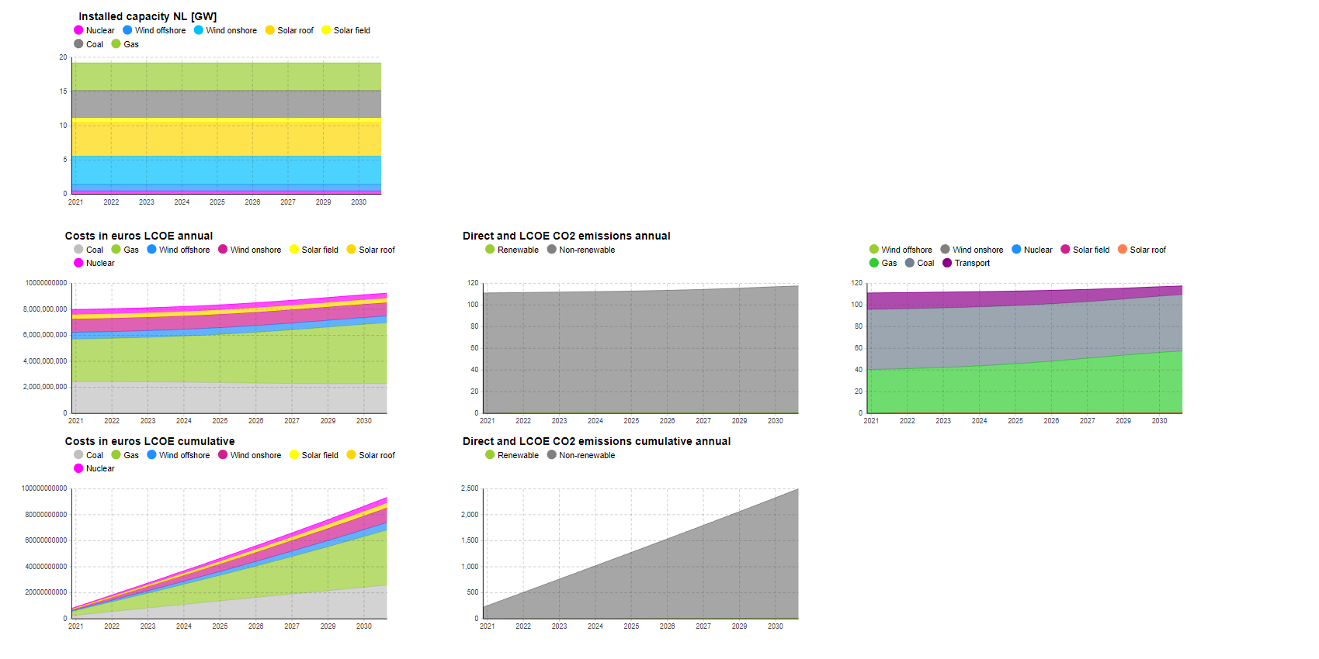
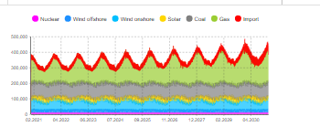
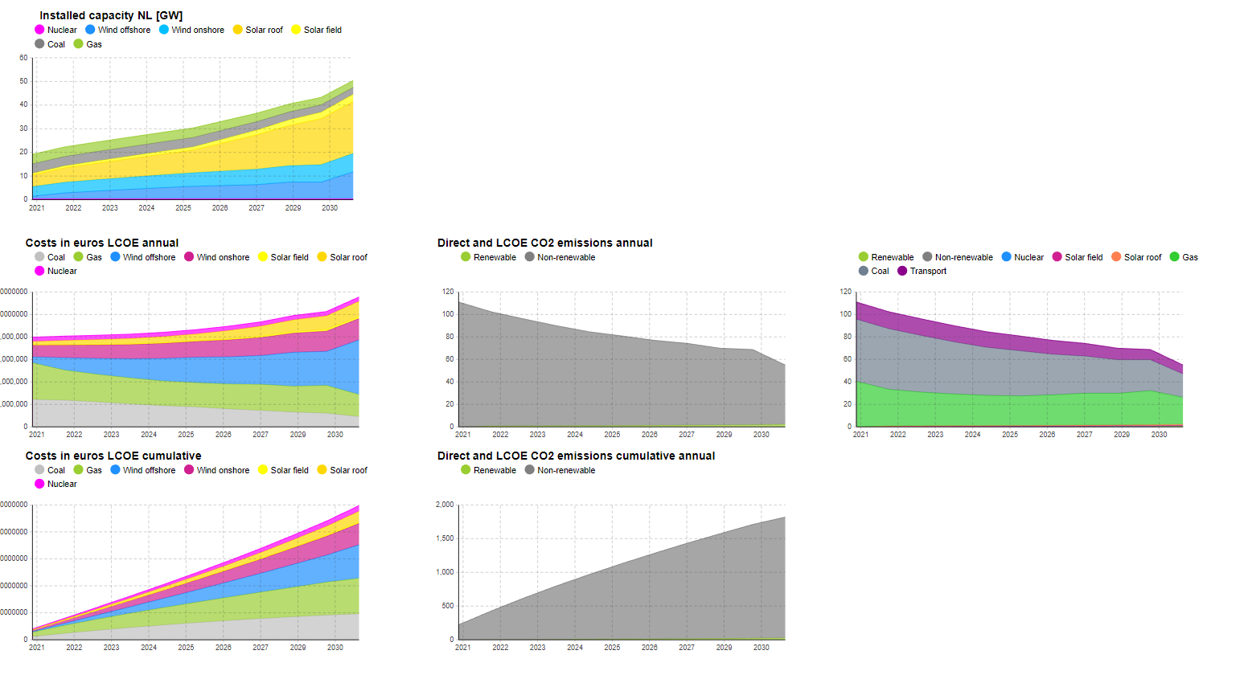
 |  | Climate agreement | No batteries
Capacity factors
CA 2020
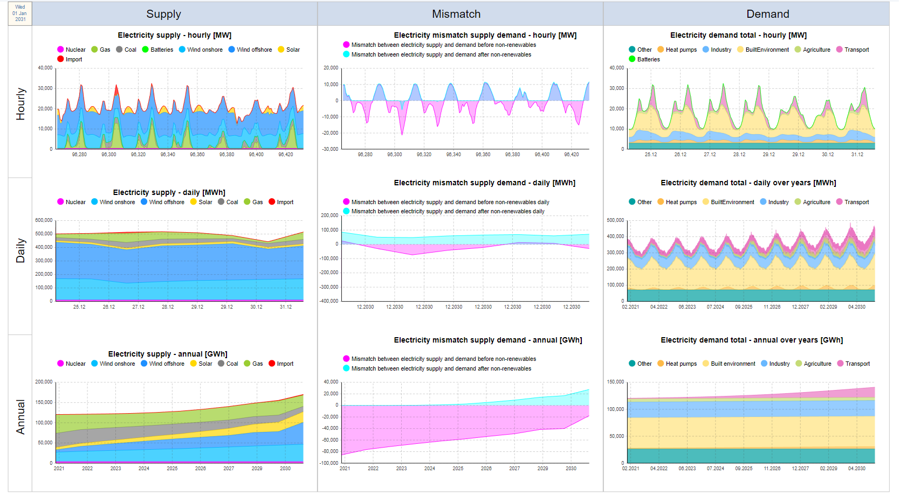
Onshore wind | 0.642
Offshore wind | 0.682
Solar field panels | 0.119
Solar roof panels | 0.119

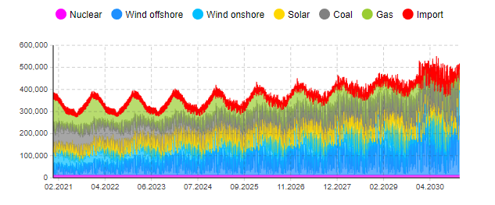

 |  | D66 no batteries
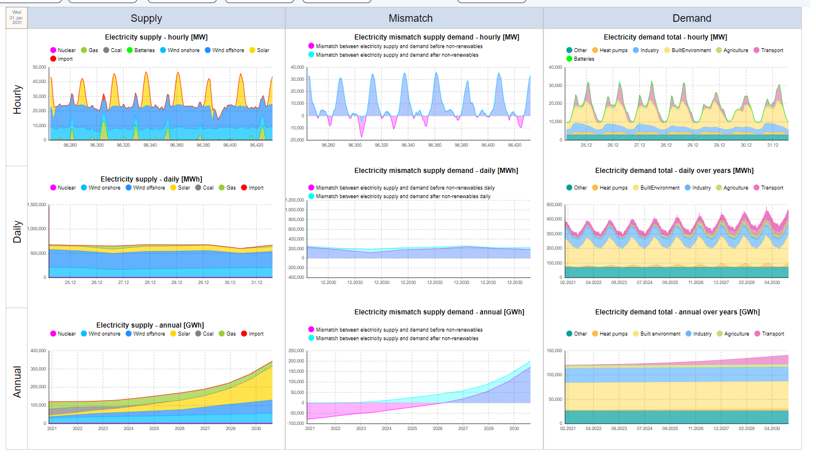
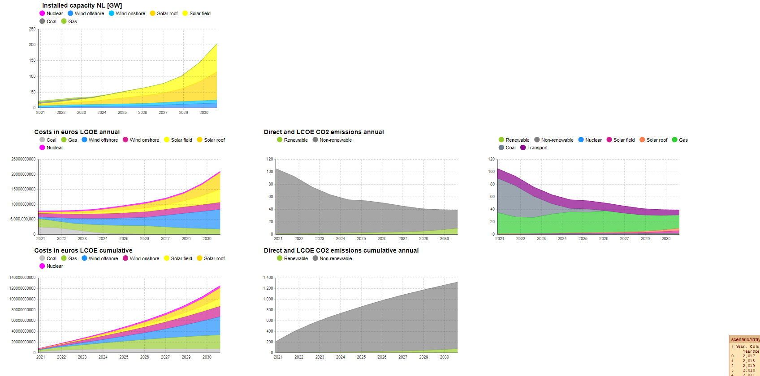

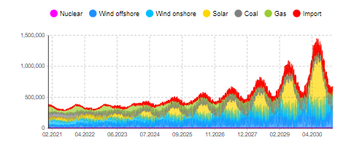

 |  | GroenLinks No batteries

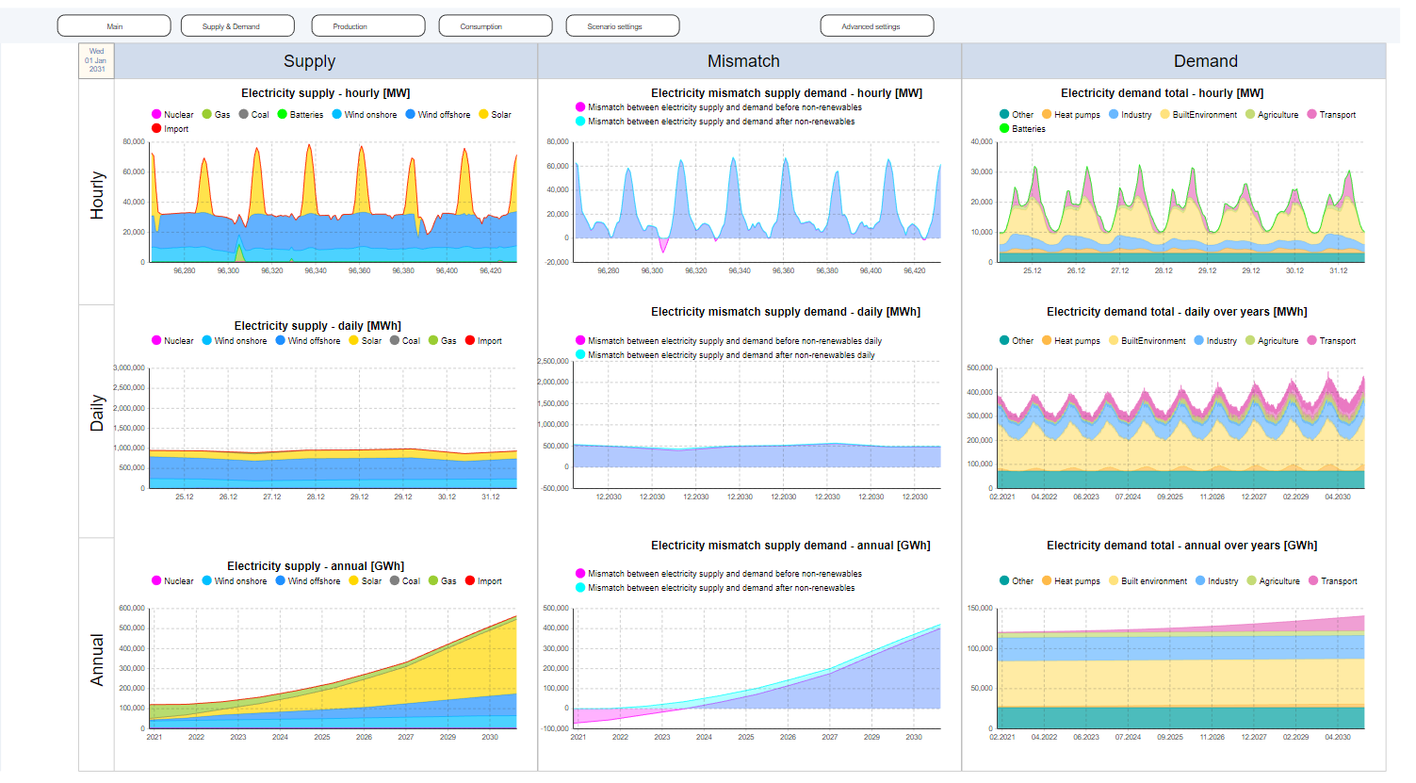
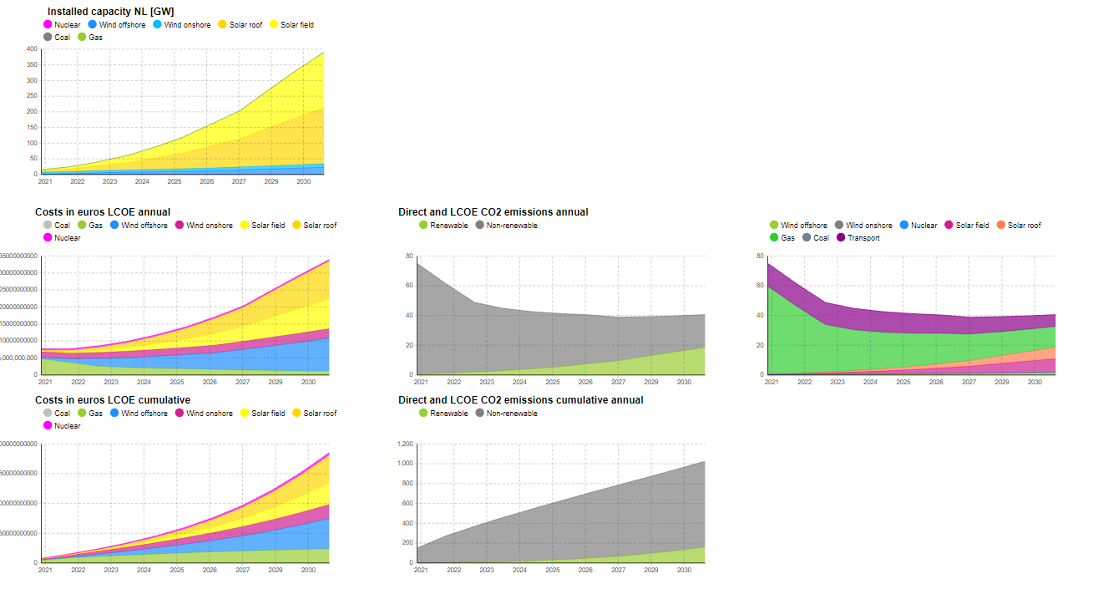

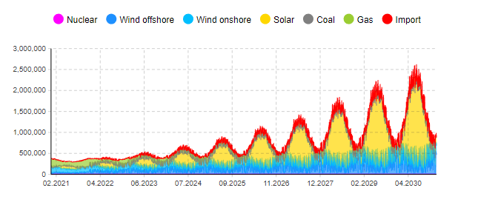

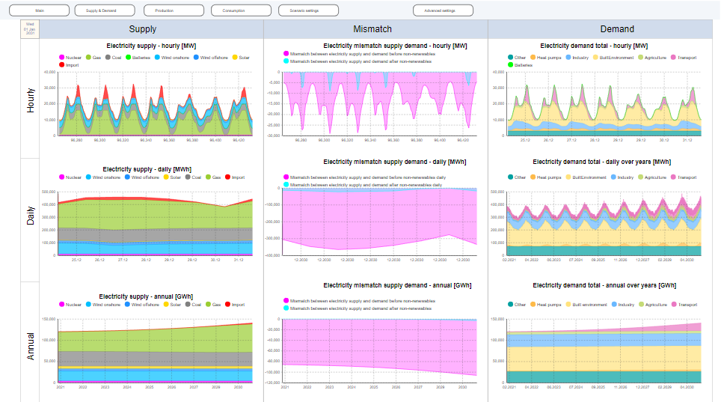
 |  | PVV

